Semi-blackout & solar fabric
Curtain Times | Price List For Christina 2023 Roller Blinds
About the Price: 1. The price above is EXW price, excluding any tax, freight and installation fee. 2. Price can be adjusted if there is too much waste on the fabrics ( according to the measurements of blinds and fabric standard width) , we will let you know before quotation. If there are more pcs, we will apply the discount for u

FC Series---Semi-blackout & Solar Fabrics
1.The standard configuration of this price system is S2 Cluth + moon-shaped bottomrail + plastic chain
No | Curtain Times series | Curtain Times Model | Parameter | Unit Price USD/㎡
1 | FC601 | FC601-01 | Light-Filtering Roller Shades WIDTH: 280cm COLOR FASTNESS TO LIGHT: Class4 FIRE RESISTANCE: CUSTOMIZED TO FR(US)-NFPA 701 COMPOSITION: 100%Polyester THICKNESS:0.31±0.05mm WEIGHT:125g/㎡±10% | 15.40
 |  | FC601-02
 |  | FC601-03
 |  | FC601-04
 |  | FC601-05
2 | FC602 | FC602-01 | Semi-Blackout Roller Shades WIDTH: 280cm COLOR FASTNESS TO LIGHT: Class5 FIRE RESISTANCE: CUSTOMIZED TO FR(US)-NFPA 701 COMPOSITION: 100%Polyester WEIGHT:400g/㎡±5% | 15.08
 |  | FC602-02
 |  | FC602-03
 |  | FC602-04
 |  | FC602-05
 |  | FC602-06
3 | FC603 | FC603-01 | Semi-Blackout Roller Shades WIDTH: 200cm COLOR FASTNESS TO LIGHT: Class5 FIRE RESISTANCE: CUSTOMIZED TO FR(US)-NFPA 701 COMPOSITION: 100%Polyester THICKNESS:0.33±0.05mm WEIGHT:140g/m²±5% | 10.80
 |  | FC603-02
 |  | FC603-03
 |  | FC603-04
 |  | FC603-05
4 | FC604 | FC604-01 | Semi-Blackout Roller Shades WIDTH: 280cm COLOR FASTNESS TO LIGHT: Class5 FIRE RESISTANCE: CUSTOMIZED TO FR(US)-NFPA 701 COMPOSITION: 100%Polyester THICKNESS:0.35±0.05mm WEIGHT:195g/m²±5% | 10.32
 |  | FC604-02
 |  | FC604-03
 |  | FC604-04
 |  | FC604-05
5 | FC605 | FC605-01 | Sunscreen Roller Shades WIDTH: 200cm/250cm/300cm COMPOSITION: 30%POLYESTER,70%PVC COLOR FASTNESS TO LIGHT: Class8 FIRE RESISTANCE: FR(US)-NFPA 701 OPENNESS FACTOR: 1% | 11.11
 |  | FC605-02
 |  | FC605-03
 |  | FC605-04
 |  | FC605-05
6 | FC606 | FC606-01 | Sunscreen Roller Shades WIDTH: 200cm/250cm/300cm COMPOSITION: 30%POLYESTER,70%PVC COLOR FASTNESS TO LIGHT: Class8 FIRE RESISTANCE: FR(US)-NFPA 701 OPENNESS FACTOR: 3% | 9.52
 |  | FC606-02
 |  | FC606-03
 |  | FC606-04
 |  | FC606-05
7 | FC607 | FC607-01 | Sunscreen Roller Shades WIDTH: 200cm/250cm/300cm COMPOSITION: 30% Polyester,70% PVC COLOR FASTNESS TO LIGHT: Class8 FIRE RESISTANCE: FR(US)-NFPA 701 OPENNESS FACTOR: 5% | 7.94
 |  | FC607-02
 |  | FC607-03
 |  | FC607-04
 |  | FC607-05
 |  | FC607-06
 |  | FC607-07
 |  | FC607-08
8 | FC609 | FC609-01 | Sunscreen Roller Shades WIDTH: 200cm/250cm/300cm COMPOSITION: 30％polyester 70％PVC COLOR FASTNESS TO LIGHT: Class8 FIRE RESISTANCE: FR(US)-NFPA 701 OPENNESS FACTOR: 8% | 13.50
 |  | FC609-02
 |  | FC609-03
 |  | FC609-04
9 | FC611 | FC611-01 | Sunscreen Roller Shades WIDTH: 200cm/250cm/300cm COMPOSITION: 30%POLYESTER,70%PVC COLOR FASTNESS TO LIGHT: Class8 FIRE RESISTANCE: FR(US)-NFPA 701 OPENNESS FACTOR: 5% | 9.52
 |  | FC611-02
 |  | FC611-03
 |  | FC611-04
 |  | FC611-05
 |  | FC611-06
 |  | FC611-07
 |  | FC611-08
10 | FC612 | FC612-01 | Sunscreen Roller Shades WIDTH: 200cm/250cm/300cm COMPOSITION: 30%POLYESTER+70%PVC COLOR FASTNESS TO LIGHT: Class5 FIRE RESISTANCE: FR (US) - NFPA 701 OPENNESS FACTOR: 1% | 11.90
 |  | FC612-02
 |  | FC612-03
 |  | FC612-04
11 | FC615 | FC615-01 | Sunscreen Roller Shades WIDTH: 200cm/250cm/300cm Composition:35% Polyester,65% PVC COLOR FASTNESS TO LIGHT: Class5 FIRE RESISTANCE: FR (US) - NFPA 701 Weight:520g/㎡ ± 5%,Thickness: 0.71 MM ± 5% OPENNESS FACTOR: 1% | 11.90
 |  | FC615-02
 |  | FC615-03
 |  | FC615-04
 |  | FC615-05
12 | FC616 | FC616-01 | Semi-Blackout Roller Shades WIDTH: 250cm COMPOSITION: 100%Polyester COLOR FASTNESS TO LIGHT: Class5 FIRE RESISTANCE: CUSTOMIZED TO FR(US)-NFPA 701 THICKNESS:0.35±0.05mm WEIGHT:155g/m²±5% | 9.52
 |  | FC616-02
 |  | FC616-03
 |  | FC616-04
13 | FC617 | FC617-01 | Semi-Blackout Roller Shades WIDTH: 280cm COMPOSITION: 100%Polyester COLOR FASTNESS TO LIGHT: Class5 FIRE RESISTANCE: CUSTOMIZED TO FR(US)-NFPA 701 THICKNESS:0.60±0.05mmm WEIGHT:220g/m ±5% | 11.11
 |  | FC617-02
 |  | FC617-03
 |  | FC617-04
 |  | FC617-05
14 | FC622 | FC622-01 | Semi-Blackout Roller Shades WIDTH: 230cm COMPOSITION: 100%Polyester COLOR FASTNESS TO LIGHT: Class5 FIRE RESISTANCE: CUSTOMIZED TO FR(US)-NFPA 701 WEIGHT:240g/m ±15 | 9.52
 |  | FC622-02
 |  | FC622-03
15 | FC623 | FC623-01 | Sunscreen Roller Shades WIDTH: 300cm Composition:30% Polyester+70% PVC COLOR FASTNESS TO LIGHT: Class8 Weight:467g/㎡ ± 5%,Thickness: 0.84 MM ± 5% FIRE RESISTANCE: FR (US) - NFPA 701 OPENNESS FACTOR: 3% | 15.87
 |  | FC623-02
 |  | FC623-03
16 | FC625 | FC625-01 | Sunscreen Roller Shades WIDTH: 300cm Composition:30% Polyester+70% PVC COLOR FASTNESS TO LIGHT: Class8 Weight:467g/㎡ ± 5%,Thickness: 0.86 MM ± 5% FIRE RESISTANCE: FR (US) - NFPA 701 OPENNESS FACTOR: 3% | 15.87
 |  | FC625-02
 |  | FC625-03
 |  | FC625-04
 |  | FC625-05
 |  | FC625-06
17 | FC626 | FC626-01 | Sunscreen Roller Shades WIDTH: 300cm COMPOSITION: 30%Polyester+70%PVC COLOR FASTNESS TO LIGHT: Class8 THICKNESS:0.46MM±5% WEIGHT:367g/㎡±5% FIRE RESISTANCE: FR (US) - NFPA 701 OPENNESS FACTOR: 3% | 15.87
 |  | FC626-02
 |  | FC626-03
 |  | FC626-04
18 | FC701 | FC701-01 | Semi-Blackout Roller Shades WIDTH: 280cm COLOR FASTNESS TO LIGHT: Class5 FIRE RESISTANCE: CUSTOMIZED TO FR(US)-NFPA 701 COMPOSITION: 100%Polyester THICKNESS:0.52±0.05mm WEIGHT:210g/m²±5% | 13.50
 |  | FC701-02
 |  | FC701-03
 |  | FC701-04
 |  | FC701-05
 |  | FC701-06
19 | FC702 | FC702-01 | Semi-Blackout Roller Shades WIDTH: 280cm COLOR FASTNESS TO LIGHT: Class5 FIRE RESISTANCE: CUSTOMIZED TO FR(US)-NFPA 701 COMPOSITION: 100%Polyester THICKNESS:0.63±0.05mm WEIGHT:205g/m²±5% | 13.97
 |  | FC702-02
 |  | FC702-03
 |  | FC702-04
 |  | FC702-05
20 | FC703 | FC703-01 | Semi-Blackout Roller Shades WIDTH: 280cm COLOR FASTNESS TO LIGHT: Class5 FIRE RESISTANCE: CUSTOMIZED TO FR(US)-NFPA 701 COMPOSITION: 100%Polyester THICKNESS:0.40±0.05mm WEIGHT:165g/m²±5% | 12.38
 |  | FC703-02
 |  | FC703-03
 |  | FC703-04
 |  | FC703-05
 |  | FC703-06
21 | FC704 | FC704-01 | Semi-Blackout Roller Shades WIDTH: 280cm COLOR FASTNESS TO LIGHT: Class5 FIRE RESISTANCE: CUSTOMIZED TO FR(US)-NFPA 701 COMPOSITION: 100%Polyester THICKNESS:0.45±0.05mm WEIGHT:200g/m²±5% | 12.38
...
FC Series---Semi-blackout & Solar Fabrics
 |  | FC711-06
 |  | FC711-07
Remark | 1.The standard configuration of this price system is S2 Cluth + regular bottom rail + plastic chain
 | 2.No.6 cassette :+5 USD/m² , No.7&No.8 cassette:7 USD/m²,（NO.7 Square Cassette cassette fabric wrap need add 5/m width）
 | 3. Fabric warpped bottomrail : +2.0 USD/m (width)
 | 4.Metal chain : +2.0 USD/m（height）
 | 5.S5 Cluth: 1.6$/pair
 | 5.Cordless : +4$/Sqm, 7$/set testing fee
 | 6.Motor :+ 55$per set
 | 7. Sqm = Width m * (Height + 0.2m) m, if the sqm less than 1㎡， we calculate as 1/㎡
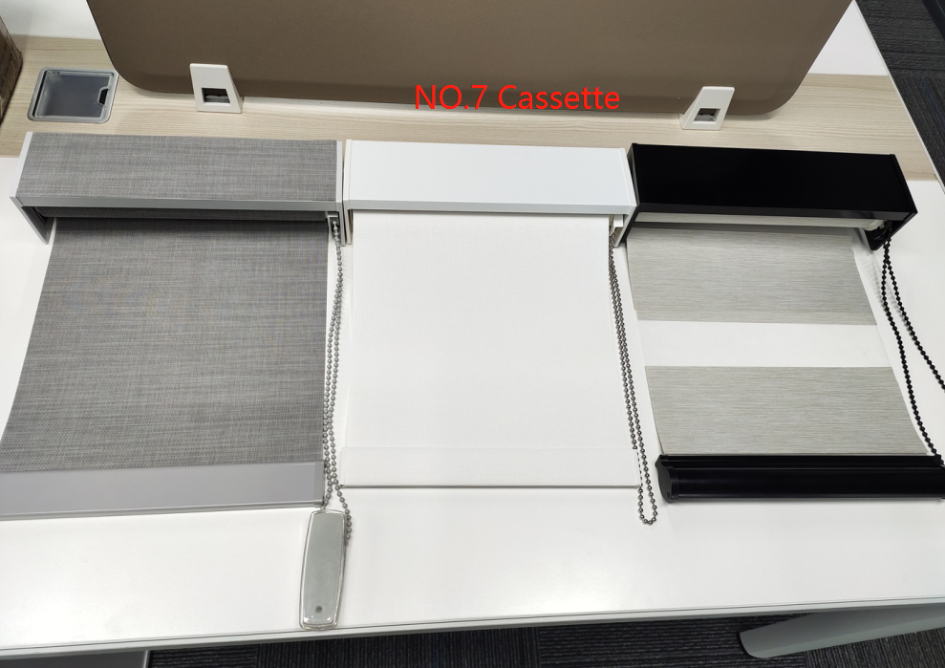
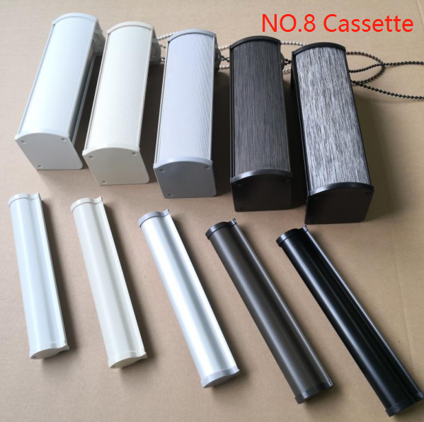

Shangrila blinds
...
 | Add: Building L10, Tianan Zhigu Science and Technology Industrial Park, No. 18, Chuangxing Avenue, Qingcheng District，511518
14 | 75-NB14 | 75-NB1401 | 26.5 | Blackout | 118
 |  | 75-NB1402
 |  | 75-NB1403
 |  | 75-NB1404
Remark | 1.The standard configuration of this price system is Arch/Square Cassette + Standard bottom rail + plastic chain
 | 2.Metal chain : +2.0 USD/m（height）
 | 3.Motor :+ 55$per set
 | 4.Sqm = Width m X (Height + 0.2m) m, if the sqm less than 1㎡， we calculate as 1/㎡
 | 5.#7 Square Cassette Can Not Paste Fabric On Top

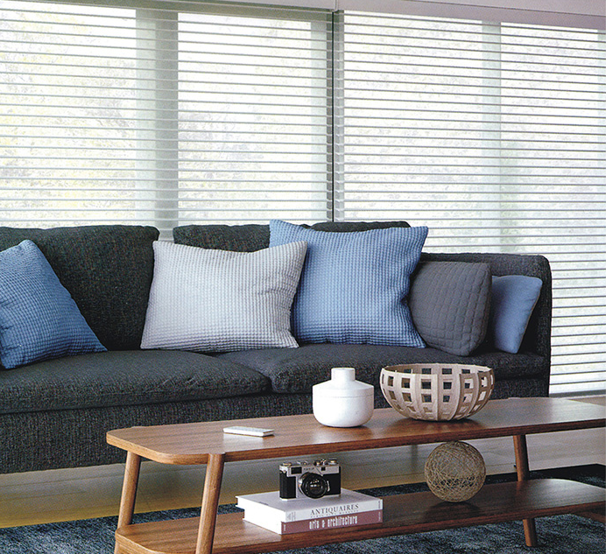
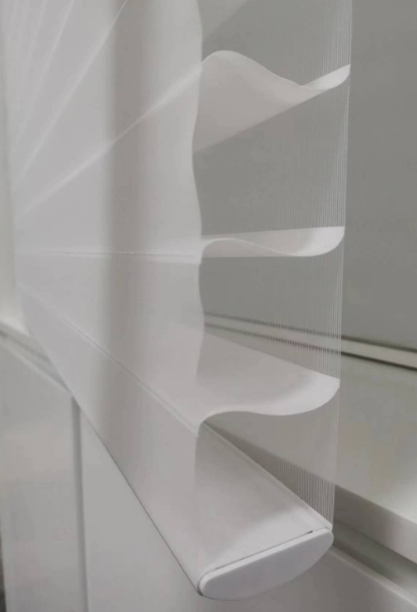

Roman Blinds
...
 | Add: Building L10, Tianan Zhigu Science and Technology Industrial Park, No. 18, Chuangxing Avenue, Qingcheng District，511518
 |  | FM2104 | 110
 |  | FM2105 | 110
 |  | FM2106 | 110
 |  | FM2107 | 110
Remark | 1.The standard configuration of this price system is White Track + Fabric Warped bottom rail + plastic chain
 | 2.Metal chain : +2.0 USD/m（height）
 | 3.Motor :+ 77$per set
 | 4.#7cassette:7 USD/m² Bcz Roman Blinds only can use Square Cassette if it need cassette
 | 5.Sqm = Width m X (Height + 0.2m) m, if the sqm less than 1㎡， we calculate as 1/㎡

