District-Newton Order Form
DISTRICT NEWTON
Fax Montreal: 1 800 561.0938
Fax Toronto: 1 800 728.8636
Fax Vancouver: 1 866 980.4707
For orders: orders@altex.ca For quotes: quote@altex.ca
HIGH-SPEED LITE-LIFT®
 |  |  |  |  |  |  |  |  |  |  |  |  |  |  |  |  |  |  | QUOTE #
 |  |  |  |  |  |  |  |  |  |  |  |  |  |  |  |  |  |  | S-100797
 |  |  |  |  |  |  |  |  |  |  |  |  |  |  |  |  |  |  |  |  |  | PAGE: | 1 |  | OF | 1
ORDER QUOTE
 |  |  |  |  |  |  |  |  |  |  |  |  |  |  |  |  |  |  | Project Name:

 |  |  |  |  |  |  |  |  |  |  |  |  |  |  |  |  |  |  | BW Plus Henderson Hotel
INVOICE TO: |  |  |  |  |  |  |  |  |  |  |  |  | SHIP TO:
CO. NAME: |  | Read Window Products LLC |  |  |  |  |  |  | CUSTOMER NO:RW140-A |  |  |  | CO. NAME: |  | B/W Plus Henderson Hotel (Property# 29085)
ADDRESS: |  | 5900 Weisbrook Lane |  |  |  |  |  |  |  |  |  |  | ADDRESS: |  | 1553 N Boulder Hwy
CITY: |  | Knoxville |  |  |  | PROV/STATE: |  | TN | POSTAL CODE: |  | 37909 |  | CITY: |  | Henderson |  |  |  |  | PROV: | NV | POSTAL CODE: | 89011-4131
TEL NO: |  | 423-240-2197 |  |  |  | FAX NO: |  |  |  |  |  |  | TEL NO: |  | 408-701-7772 |  |  |  |  | FAX NO:
ATTN: |  | David Storm |  |  |  | E-MAIL: |  | dstorm@readwindow.com |  |  |  |  | ATTN: |  | Khem Babbar |  |  |  |  | E-MAIL:
ORDER DATE: |  | 26-Nov-25 |  |  | CUSTOMER REQUIRE DATE: |  |  | ASAP |  |  | District Newton Order Form: Ver.04, September 2024 |  |  |  |  |  |  |  |  |  | 30161 |  | ORDERED BY:
For Multi-Banded/Tandem and/or Multi-mechanism Shades, please complete Tandem Order Form
2B = 2 BANDED
 |  |  |  |  |  |  |  |  |  |  |  |  |  |  |  |  |  |  |  | P.O. No: |  |  | David Storm

District ROUND CASSETTE=RC75 (No backing=RC75o)
District SQUARE CASSETTE=SC75 (No backing=SC75o)
District OPEN ROLL=OR75
District ALUM FASCIA=FA75
District DOUBLE FASCIA=FA75-D
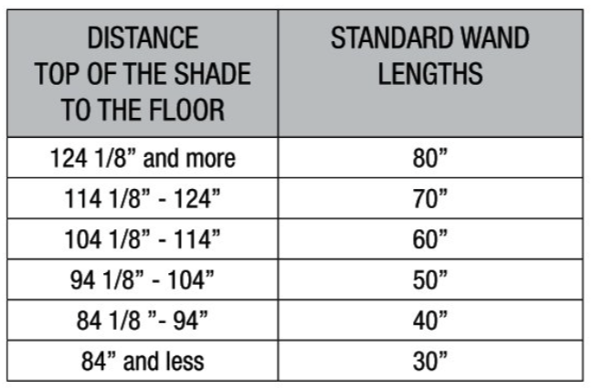
DISTRICT NEWTON WAND LENGTH INFO:
Altex requests the distance (in inches) from top of the roller shade to the floor, to determine the adequate length of the wands.
NOTE: BY DEFAULT ALTEX WILL ONLY PROVIDE FASCIA END CAPS (COVERS) FOR OUTSIDE MOUNTED SHADES

BLACK=BLK
PURE WHITE=PWHT
CLEAR ANODIZED=CA
BLACK=BLK
PURE WHITE=PWHT
GREY=GREY

 |  |  |  |  |  |  |  |  |  |  |  |  |  |  |  |  |  |  |  |  |  |  | Control Side | Mount |  | Fill Up Only for Reverse Roll
 |  |  |  |  |  |  |  |  |  |  |  |  |  |  |  | Back | Front |  |  |  |  |  |  | Wall / Ceiling | Inside / Outside
Line | Location/Tag |  | Qty | Measure | Dimensions |  |  | System Type |  | Bottom Bar Type | Multi / Tandem | Fill Up Only for Leveling Control |  | Distance (in inches) from top of roller shade to the floor |  | Wand Position |  | Side Channel | Alum. | Alum. | Comp. | Fabric Name & Colour
 |  |  |  | Type | W in. | x | H in. |  |  |  |  |  |  |  |  |  |  |  | B. Bar | Fascia | Colour
1 | U263-01 |  | 1 | TIGHT | 58.5 | x | 58 | FA75 |  | ALTEX(STD) | N/A |  |  | 82 |  | Front |  |  | PWHT | PWHT | PWHT | 10110 - Limestone Gray 10% | R | C | IN
2 | U263-02 |  | 1 | TIGHT | 59 | x | 59 | FA75 |  | ALTEX(STD) | N/A |  |  | 82 |  | Front |  |  | PWHT | PWHT | PWHT | 10110 - Limestone Gray 10% | R | C | IN
3 | U263-03 |  | 1 | TIGHT | 58.25 | x | 58.5 | FA75 |  | ALTEX(STD) | N/A |  |  | 82 |  | Front |  |  | PWHT | PWHT | PWHT | 10110 - Limestone Gray 10% | R | C | IN
4 |  |  |  |  |  | x
5 |  |  |  |  |  | x
6 |  |  |  |  |  | x
7 |  |  |  |  |  | x
8 |  |  |  |  |  | x
9 |  |  |  |  |  | x
10 |  |  |  |  |  | x
11 |  |  |  |  |  | x
12 |  |  |  |  |  | x
13 |  |  |  |  |  | x
14 |  |  |  |  |  | x
15 |  |  |  |  |  | x
16 |  |  |  |  |  | x

For quotes, please click here email: quote@altex.ca
For orders, please click here email: orders@altex.ca
Attention: 1) +/- 1/16" inch Tolerances apply to finished sizes of all products.
2) Tight sizes: When specifying Tight sizes, Altex will deduct a total of 1/8" for allowance of Finish Size.
3) Cloth sizes: This is the net width of the actual fabric cloth. All required brackets & components will be added to this measurement.
For specific ordering notes, additional shipping instructions, ordering of extra components, etc., please mention below:
SPECIAL NOTES:
ADA Loop: White Wand with Black Loop

