Order Details
P.O. | 11075-B
Date | 11/18/2025 |  |  | Billing Address: | 700 SW 16th St., Ft. Lauderdale, FL 33315 USA
Customer | Brian Chee CKD CHESI |  |  | Phone: | 786-340-0811
Shipping Address | 530 B Simonds Loop |  |  | Vendor: | Di Calabria Industries
 | San Francisco CA 94129
 | USA
 | 415-747-1017

Unit Price | Lining Price | Total Price | Product Title | Fabric SKU | Fabric Name | Rod Width | Length | Panel Selection | Lining | Mount | Hardware | Carrier | Fullness | Side Returns | Window Name
$39.00 | $0.00 | $39.00 | Cafe Curtain (Rod Pocket / No Backtabs) | Alva-Mag-Mumabi01-Linenblend-Cream | Linen Blend: Cream | 56.75 | 25 | Pair: Two Equal Parts | Unlined | Wall Mount | N/A | N/A | N/A | N/A | Kitchen

 |  |  | Muestra
 |  |  | 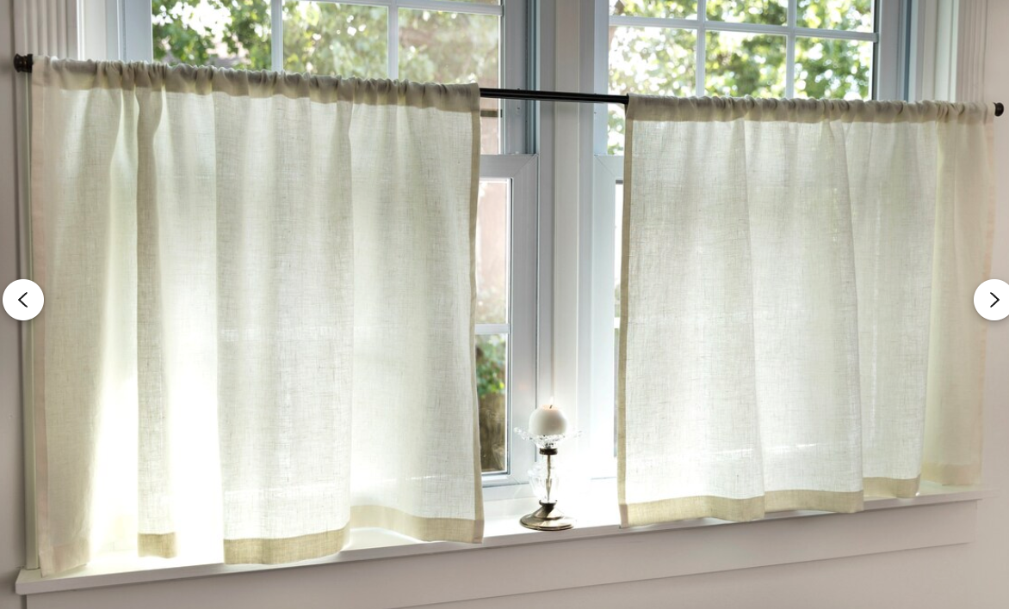 |  |  |  |  |  | Notas
 |  |  |  |  |  |  |  |  | Nota #1 | No hay backtabs.
 |  |  |  |  |  |  |  |  | Nota #2 | El diametro del riel es "3/8".
 |  |  |  |  |  |  |  |  | Nota #3 | Header: 2.5"
 |  |  |  |  |  |  |  |  | Nota #4 | Bottom Hem: 2.5"
 |  |  |  |  |  |  |  |  | Nota #5 | El Fullness tenemos que confirmar.

