Order Details
P.O. | 11129
Date | 11/22/2025 |  |  | Billing Address: | 700 SW 16th St., Ft. Lauderdale, FL 33315 USA
Customer | Justin Vetsch |  |  | Phone: | 786-340-0811
Shipping Address | 2735 Cheshire Ln N |  |  | Vendor: | Di Calabria Industries
 | Plymouth MN 55447
 | USA
 | 763-235-1746

Unit Price | Lining Price | Total Price | Product Title | Fabric SKU | Fabric Name | Rod Width | Length | Panel Selection | Lining | Mount | Control | Hardware | Carrier | Fullness | Side Returns | Window Name | Note #1
$31.79 | $0.00 | $31.79 | Ripple Fold Drape | Alva-Crest-GEN-Shasta-Chambray | Earthen: Chambray | 12 | 94.25 | Stationary Panel | Alva-Lining-Privacy-100%Cotton | Wall Mount | N/A | Basic Track - Matte Black | N/A | 200.00% | No Side Returns | Lobby 1 | Make & Compare Side-by-Side.
$31.79 | $0.00 | $31.79 | Ripple Fold Drape | Alva-Crest-GEN-Shasta-Chambray | Earthen: Chambray | 12 | 94.25 | Stationary Panel | Alva-Lining-Privacy-100%Cotton | Wall Mount | N/A | Basic Track - Matte Black | N/A | 200.00% | No Side Returns | Lobby 2 | Make & Compare Side-by-Side.
$31.79 | $0.00 | $31.79 | Ripple Fold Drape | Alva-Crest-GEN-Shasta-Chambray | Earthen: Chambray | 12 | 94.25 | Stationary Panel | Alva-Lining-Privacy-100%Cotton | Wall Mount | N/A | Basic Track - Matte Black | N/A | 200.00% | No Side Returns | Lobby 3 | Make & Compare Side-by-Side.
$31.79 | $0.00 | $31.79 | Ripple Fold Drape | Alva-Crest-GEN-Shasta-Chambray | Earthen: Chambray | 12 | 94.25 | Stationary Panel | Alva-Lining-Privacy-100%Cotton | Wall Mount | N/A | Basic Track - Matte Black | N/A | 200.00% | No Side Returns | Lobby 4 | Make & Compare Side-by-Side.

 |  |  | Nota: | Incluir (8) soportes de pared estándar y (8) soportes de extensión para garantizar que los instaladores puedan resolver cualquier problema en el sitio. | 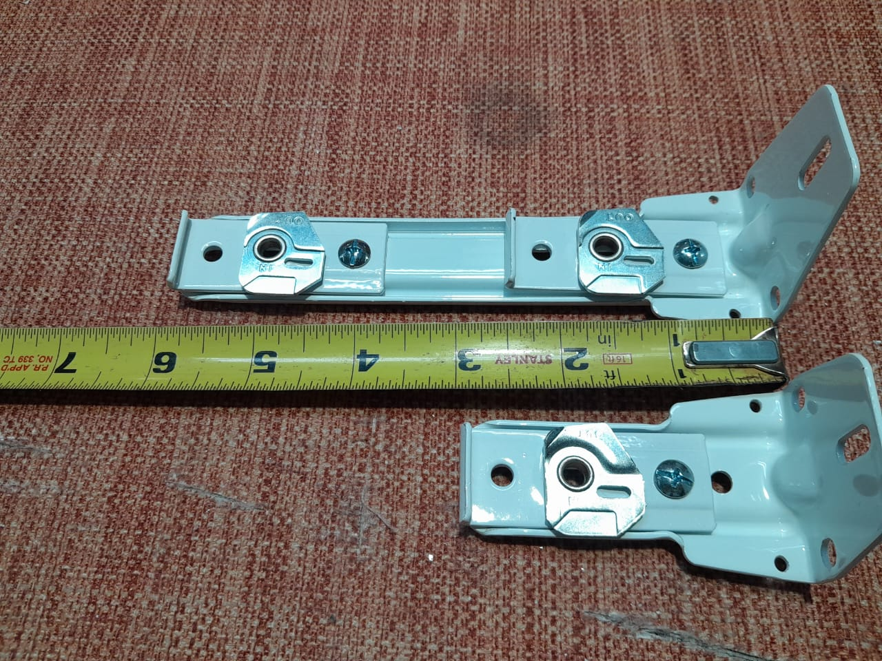

 |  |  | New Design Customer. Must inspect with (2) People.

