Order Details
P.O. | 11127
Date | 11/26/2025 |  |  | Billing Address: | 700 SW 16th St., Ft. Lauderdale, FL 33315 USA
Customer | Susie Pearson |  |  | Phone: | 786-340-0811
Shipping Address | 2534 HIGHCLIFF DR |  |  | Vendor: | Di Calabria Industries
 | TORRANCE CA 90505-7306
 | USA
 | 310-325-2318

Unit Price | Lining Price | Total Price | Product Title | Fabric SKU | Fabric Name | Rod Width | Length | Panel Selection | Lining | Mount | Hardware | Carrier | Fullness | Side Returns | Window Name | Note #1
$133.00 | $0.00 | $133.00 | Pinch Pleat Drape | APFB-OAT-LIB-BL-023-M | Belgian Linen: Oatmeal | 172 | 91.5 | Pair: Two Equal Parts | Alva-Lining-Privacy-100%Cotton | Wall Mount | 1 1/8" - Alva - H-Rail - Matte Black | Pleated Carrier Master (With Snaps) | 200.00% | 3.5" Side Returns | WIN #1

$38.00 | $0.00 | $38.00 | Drapery Hardware Kit | Product SKU | Product Description | Qty
 |  |  | WIN #1 | FMH28400/8/MK | 8 ft. - 1 1/8" H-Rail - Matte Black | 2 |  | 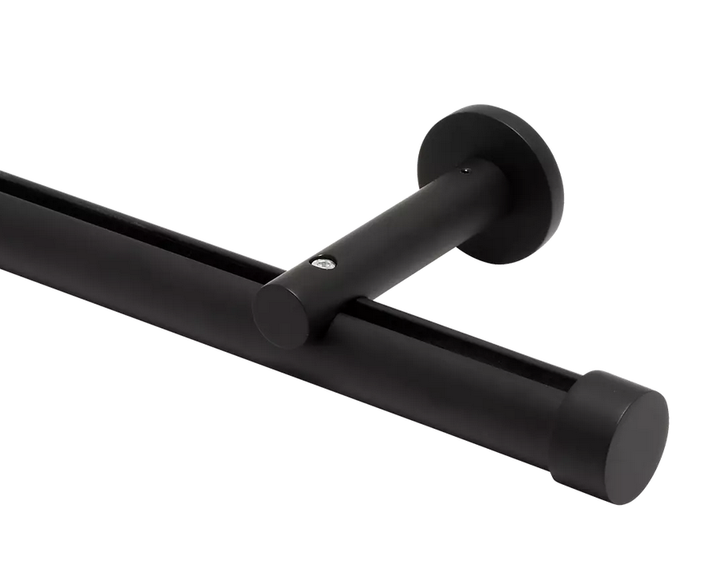 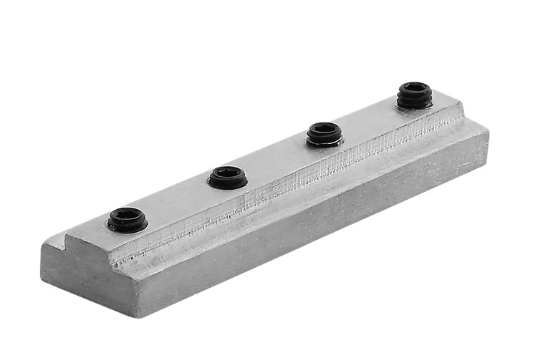
 |  |  |  |  | Cut Pole @ 86"
 |  |  |  | FMH28400/MK | 1 1/8" H-Rail Wall Bracket - Matte Black | 8
 |  |  |  | FMH28407 | 1 1/8" H-Rail Connector | 1
 |  |  |  | FM104/MK | 1 1/8" - Plain End Cap - End Cap | 2
 |  |  |  | FM312S/MK | 36" Metal Baton with Steel Clip | 2

