Order Details
P.O. | 11075
Date | 11/18/2025 |  |  | Billing Address: | 700 SW 16th St., Ft. Lauderdale, FL 33315 USA
Customer | Brian Chee CKD CHESI |  |  | Phone: | 786-340-0811
Shipping Address | 530 B Simonds Loop |  |  | Vendor: | Di Calabria Industries
 | San Francisco CA 94129
 | USA
 | 415-747-1017

Unit Price | Lining Price | Total Price | Product Title | Fabric SKU | Fabric Name | Width | Length | Lining | Mount | Control | Position | Window Name | Note #1
$118.00 | $0.00 | $118.00 | Flat Roman Shade | UNQ-Kingston-Pecan | Coastline: Pecan | 31.375 | 54 | NO LINING | Inside | Continuous Loop: Medieval Brass (Bronze Metal) | 2.5" Headrail | Right | Kitchen
$118.00 | $0.00 | $118.00 | Flat Roman Shade | UNQ-Kingston-Pecan | Coastline: Pecan | 31.5 | 54.25 | NO LINING | Inside | Continuous Loop: Medieval Brass (Bronze Metal) | 2.5" Headrail | Right | Office
$183.50 | $0.00 | $183.50 | Flat Roman Shade | UNQ-Kingston-Pecan | Coastline: Pecan | 63.25 | 54.125 | NO LINING | Inside | Continuous Loop: Medieval Brass (Bronze Metal) | 2.5" Headrail | Right | Dining Room
$183.50 | $0.00 | $183.50 | Flat Roman Shade | UNQ-Kingston-Pecan | Coastline: Pecan | 63.375 | 54.125 | NO LINING | Inside | Continuous Loop: Medieval Brass (Bronze Metal) | 2.5" Headrail | Right | Living Room Front | Make & Compare Side-by-Side.
$118.00 | $0.00 | $118.00 | Flat Roman Shade | UNQ-Kingston-Pecan | Coastline: Pecan | 31.375 | 54.125 | NO LINING | Inside | Continuous Loop: Medieval Brass (Bronze Metal) | 2.5" Headrail | Right | Living Room Small Left | Make & Compare Side-by-Side.
$118.00 | $0.00 | $118.00 | Flat Roman Shade | UNQ-Kingston-Pecan | Coastline: Pecan | 31.375 | 54.25 | NO LINING | Inside | Continuous Loop: Medieval Brass (Bronze Metal) | 2.5" Headrail | Right | Living Room Small Right | Make & Compare Side-by-Side.

$196.50 | $0.00 | $196.50 | Flat Roman Shade | UNQ-Kingston-Pecan | Coastline: Pecan | 66.75 | 53.5 | Alva-Lining-Blackout-100%Cotton | Outside (Add Side Returns) | Continuous Loop: Medieval Brass (Bronze Metal) | 2.5" Headrail | Right | Master Bedroom Front | Make & Compare Side-by-Side.
$196.50 | $0.00 | $196.50 | Flat Roman Shade | UNQ-Kingston-Pecan | Coastline: Pecan | 66.75 | 53.5 | Alva-Lining-Blackout-100%Cotton | Outside (Add Side Returns) | Continuous Loop: Medieval Brass (Bronze Metal) | 2.5" Headrail | Right | Master Bedroom Back | Make & Compare Side-by-Side.
$118.00 | $0.00 | $118.00 | Flat Roman Shade | UNQ-Kingston-Pecan | Coastline: Pecan | 35 | 53.5 | Alva-Lining-Blackout-100%Cotton | Outside (Add Side Returns) | Continuous Loop: Medieval Brass (Bronze Metal) | 2.5" Headrail | Right | Girls Bedroom Side | Make & Compare Side-by-Side.
$196.50 | $0.00 | $196.50 | Flat Roman Shade | UNQ-Kingston-Pecan | Coastline: Pecan | 66.75 | 53.5 | Alva-Lining-Blackout-100%Cotton | Outside (Add Side Returns) | Continuous Loop: Medieval Brass (Bronze Metal) | 2.5" Headrail | Right | Girls Bedroom Back | Make & Compare Side-by-Side.
$118.00 | $0.00 | $118.00 | Flat Roman Shade | UNQ-Kingston-Pecan | Coastline: Pecan | 35 | 53.5 | Alva-Lining-Blackout-100%Cotton | Outside (Add Side Returns) | Continuous Loop: Medieval Brass (Bronze Metal) | 2.5" Headrail | Right | Boys Bedroom Side | Make & Compare Side-by-Side.
$196.50 | $0.00 | $196.50 | Flat Roman Shade | UNQ-Kingston-Pecan | Coastline: Pecan | 66.75 | 53.5 | Alva-Lining-Blackout-100%Cotton | Outside (Add Side Returns) | Continuous Loop: Medieval Brass (Bronze Metal) | 2.5" Headrail | Right | Boys Bedroom Front | Make & Compare Side-by-Side.

 |  |  | SKU: UNQ-Kingston-Pecan
 |  |  | 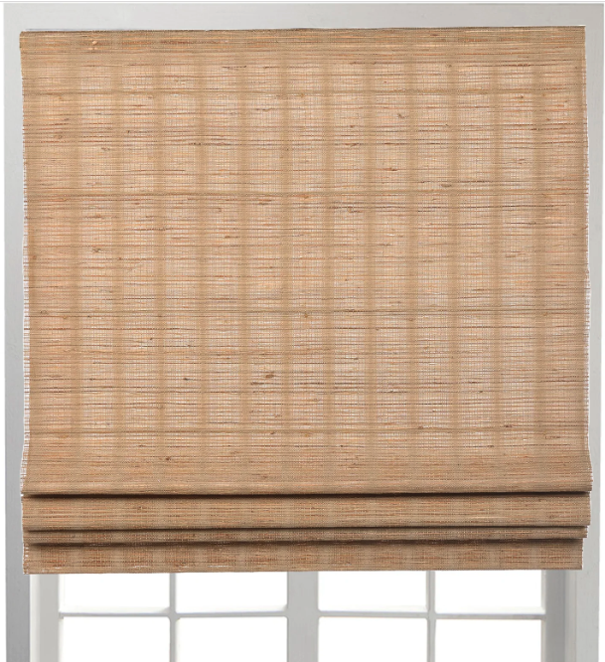

 |  |  | New Design Customer. Must inspect with (2) People.

