Order Details
P.O. | 10852 - Remake
Date | 11/15/2025 |  |  | Billing Address: | 700 SW 16th St., Ft. Lauderdale, FL 33315 USA
Customer | Denise Pryor |  |  | Phone: | 786-340-0811
Shipping Address | 1039 Ortega Road |  |  | Vendor: | Di Calabria Industries
 | Pebble Beach CA 93953
 | USA
 | 831-595-1014

Unit Price | Lining Price | Total Price | Product Title | Fabric SKU | Fabric Name | Width | Length | Lining | Mount | Control | Position | Window Name | Note #1
$250.00 | $13.75 | $263.75 | Pleated Roman Shade | APFB-OAT-LIB-BL-023-M | Belgian Linen: Oatmeal | 69 | 57 | BWS-Privacy | Outside (Add Side Returns) | Cordless | 1.5" Headrail | N/A | WIN #3

 |  |  |  | Nota: | El producto original se tuve dano en transito. Hacemos nuevo producto con los mismos pleats distancia.

 |  |  | Pleated Roman Shade | 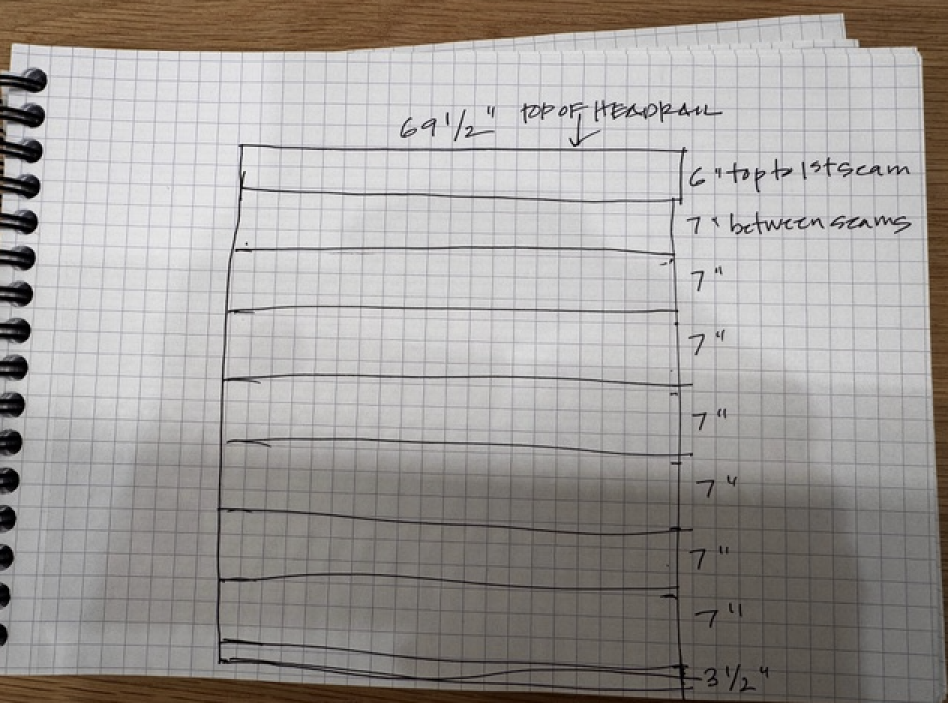
 |  |  | 