Order Details
P.O. | 11372
Date | 12/22/2025 |  |  | Billing Address: | 700 SW 16th St., Ft. Lauderdale, FL 33315 USA
Customer | Dave Hogan |  |  | Phone: | 786-340-0811
Shipping Address | 292 Woods Ave |  |  | Vendor: | Di Calabria Industries
 | Tavernier FL 33070
 | USA
 | 412-969-3338

Unit Price | Lining Price | Total Price | Product Title | Fabric SKU | Fabric Name | Width | Length | Lining | Mount | Control | Position | Window Name | Note #1
$126.50 | $0.00 | $126.50 | Cascade Roman Shade (Front Valance / Fabric on Rear) | RF-Pap7-Sand | Saigon: Oatmeal | 26 | 69 | Alva-Lining-Blackout-100%Cotton | Outside (Add Side Returns) | Continuous Loop: Antique Brown (Medieval Brass) | 2.5" Headrail | Right | Front Bedroom Door R | Make & Compare Side-by-Side.
$126.50 | $0.00 | $126.50 | Cascade Roman Shade (Front Valance / Fabric on Rear) | RF-Pap7-Sand | Saigon: Oatmeal | 26 | 69 | Alva-Lining-Blackout-100%Cotton | Outside (Add Side Returns) | Continuous Loop: Antique Brown (Medieval Brass) | 2.5" Headrail | Left | Front Bedroom Door L | Make & Compare Side-by-Side.
$179.50 | $0.00 | $179.50 | Cascade Roman Shade (Front Valance / Fabric on Rear) | RF-Pap7-Sand | Saigon: Oatmeal | 71.375 | 47.5 | Alva-Lining-Blackout-100%Cotton | Inside | Continuous Loop: Antique Brown (Medieval Brass) | 2.5" Headrail | Right | Front Bedroom Window | Make & Compare Side-by-Side.
$126.50 | $0.00 | $126.50 | Cascade Roman Shade (Front Valance / Fabric on Rear) | RF-Pap7-Sand | Saigon: Oatmeal | 26 | 69 | Alva-Lining-Blackout-100%Cotton | Outside (Add Side Returns) | Continuous Loop: Antique Brown (Medieval Brass) | 2.5" Headrail | Right | Back Bedroom Door R | Make & Compare Side-by-Side.
$126.50 | $0.00 | $126.50 | Cascade Roman Shade (Front Valance / Fabric on Rear) | RF-Pap7-Sand | Saigon: Oatmeal | 26 | 69 | Alva-Lining-Blackout-100%Cotton | Outside (Add Side Returns) | Continuous Loop: Antique Brown (Medieval Brass) | 2.5" Headrail | Left | Back Bedroom Door L | Make & Compare Side-by-Side.
$179.50 | $0.00 | $179.50 | Cascade Roman Shade (Front Valance / Fabric on Rear) | RF-Pap7-Sand | Saigon: Oatmeal | 71 | 46.75 | Alva-Lining-Blackout-100%Cotton | Inside | Continuous Loop: Antique Brown (Medieval Brass) | 2.5" Headrail | Right | Back Bedroom Window | Make & Compare Side-by-Side.
$145.50 | $0.00 | $145.50 | Cascade Roman Shade (Front Valance / Fabric on Rear) | RF-Pap7-Sand | Saigon: Oatmeal | 70.75 | 33.25 | NO LINING | Inside | Continuous Loop: Antique Brown (Medieval Brass) | 2.5" Headrail | Right | Hallway
$179.50 | $0.00 | $179.50 | Cascade Roman Shade (Front Valance / Fabric on Rear) | RF-Pap7-Sand | Saigon: Oatmeal | 71.25 | 47 | NO LINING | Inside | Continuous Loop: Antique Brown (Medieval Brass) | 2.5" Headrail | Right | Master Bath | Make & Compare Side-by-Side.
$126.50 | $0.00 | $126.50 | Cascade Roman Shade (Front Valance / Fabric on Rear) | RF-Pap7-Sand | Saigon: Oatmeal | 27 | 69 | Alva-Lining-Blackout-100%Cotton | Outside (Add Side Returns) | Continuous Loop: Antique Brown (Medieval Brass) | 2.5" Headrail | Right | Master Bed Door R | Make & Compare Side-by-Side.
$126.50 | $0.00 | $126.50 | Cascade Roman Shade (Front Valance / Fabric on Rear) | RF-Pap7-Sand | Saigon: Oatmeal | 27 | 69 | Alva-Lining-Blackout-100%Cotton | Outside (Add Side Returns) | Continuous Loop: Antique Brown (Medieval Brass) | 2.5" Headrail | Left | Master Bed Door L | Make & Compare Side-by-Side.
$179.50 | $0.00 | $179.50 | Cascade Roman Shade (Front Valance / Fabric on Rear) | RF-Pap7-Sand | Saigon: Oatmeal | 71 | 46.375 | Alva-Lining-Blackout-100%Cotton | Inside | Continuous Loop: Antique Brown (Medieval Brass) | 2.5" Headrail | Right | Master Bed Window | Make & Compare Side-by-Side.
$145.50 | $0.00 | $145.50 | Cascade Roman Shade (Front Valance / Fabric on Rear) | RF-Pap7-Sand | Saigon: Oatmeal | 71 | 35.5 | NO LINING | Inside | Continuous Loop: Antique Brown (Medieval Brass) | 2.5" Headrail | Right | Kitchen

 |  |  | 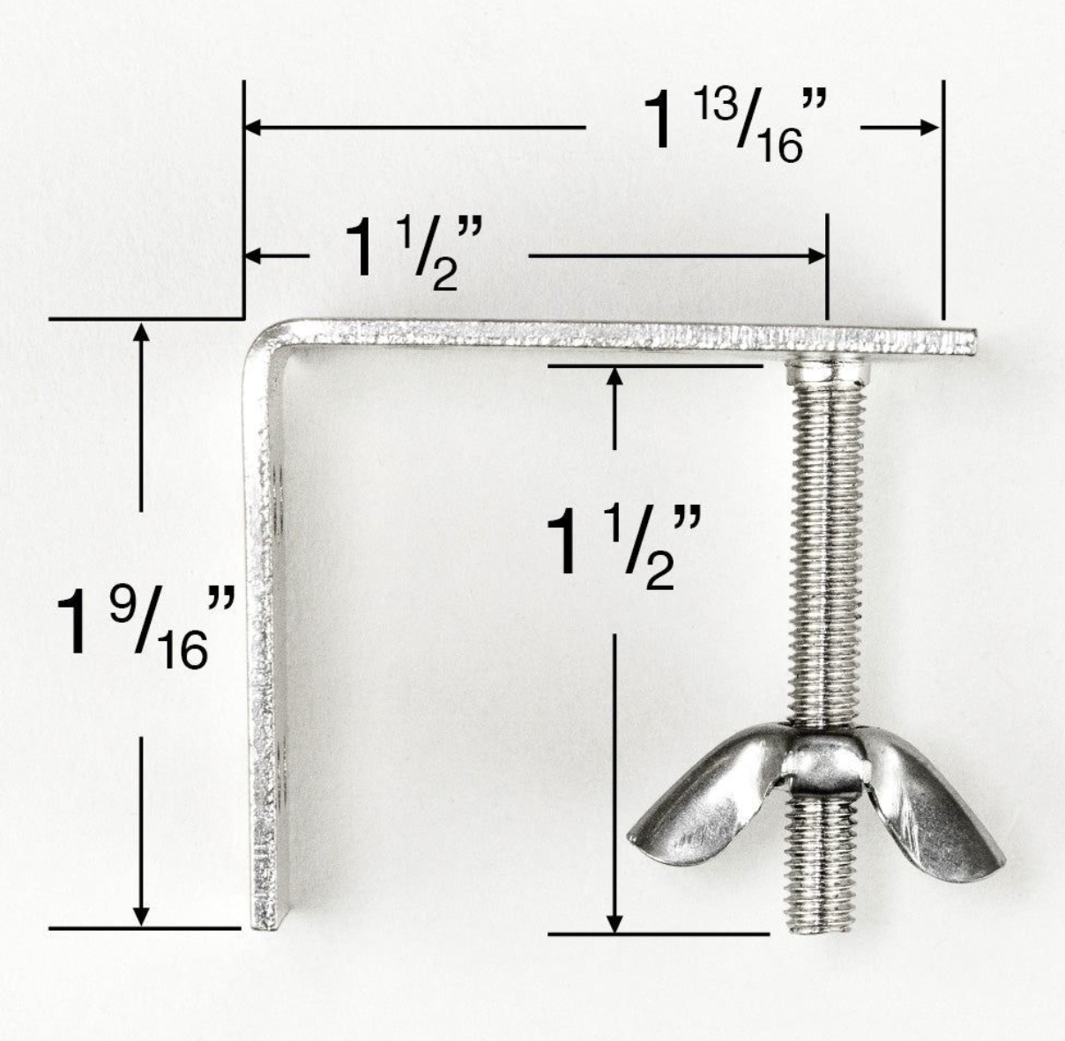 | Nota #1: Es importante que el equipo sabemos que no los que son dentro el marco, no pueden tener el valance "continua" con este estilo de producto.

 |  |  |  | Nota #2: Es importante que resolvemos los brackets correctos para este orden. El dibujo a la izquerda no es el tamano correcto, pero es un ejemplo del modelo correcto.

 |  |  | New Design Customer. Must inspect with (2) People.

