Order Details
P.O. | #1119
Date | 12/19/2025 |  |  | Billing Address: | 700 SW 16th St., Ft. Lauderdale, FL 33315 USA
Customer | Joey Yoder |  |  | Phone: | 786-340-0811
Shipping Address | 100 Superior Plaza Way (Suite 101) |  |  | Vendor: | Di Calabria Industries
 | Superior CO 80027
 | USA
 | 303-481-2719

$42.00 | $0.00 | $42.00 | Drapery Hardware Kit | Product SKU | Product Description | Qty
 |  |  | Primary Bedroom 3 | FMH28400/8/MK | 8 ft. - 1 1/8" H-Rail - Matte Black | 2 | 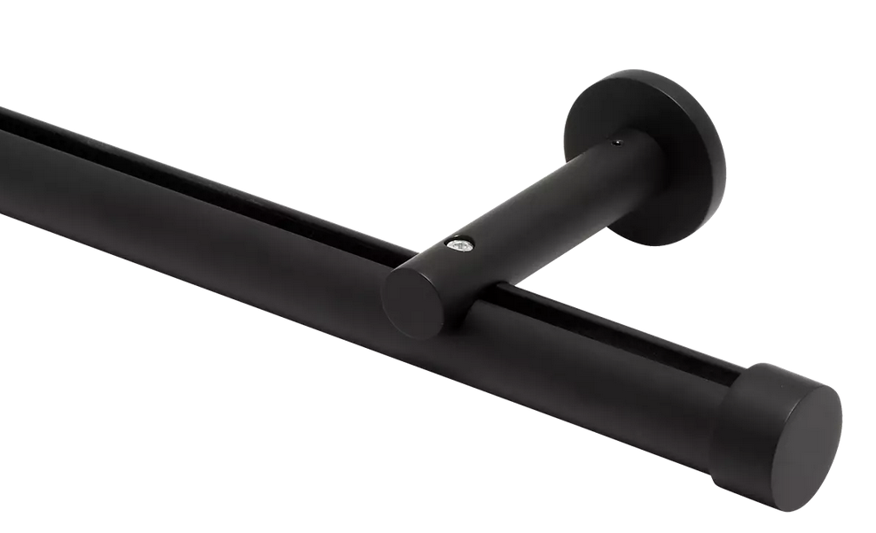
 |  |  |  |  | Cut Pole @ 77.5"
 |  |  |  | FMH28400/MK | 1 1/8" H-Rail Wall Bracket - Matte Black | 8
 |  |  |  | FM104/MK | 1 1/8" - Plain End Cap - Matte Black | 2
 |  |  |  | FMH28407 | 1 1/8" H-Rail Connector | 1

 |  |  | Nota #1: Fabricamos un reil. Ancho final es 155" (Pair: Two Equal Parts)

 |  |  | Nota #2: Fabricamos con (8) Pinch Pleat Glides por cada lado.Total (16) Pinch Pleat Glides. Incluimos endlock.

 |  |  | Nota #3: Incluimos una bolsa de (14) mas Pinch Pleat Glides seperado en la caja.

