Order Details
P.O. | 11185
Date | 12/15/2025 |  |  | Billing Address: | 700 SW 16th St., Ft. Lauderdale, FL 33315 USA
Customer | Ryan Wallace |  |  | Phone: | 786-340-0811
Shipping Address | 5813 Violet Berry Drive |  |  | Vendor: | Di Calabria Industries
 | Montgomery TX 77316
 | USA
 | 832-732-4779

Unit Price | Lining Price | Total Price | Product Title | Fabric SKU | Fabric Name | Rod Width | Length | Panel Selection | Lining | Mount | Hardware | Carrier | Fullness | Control | Side Returns | Side Returns | Window Name | Note #1
$197.00 | $0.00 | $197.00 | Pinch Pleat Drape | Alva-Crest-HT-Cascade-Baltic | Pathways: Baltic | 186 | 108 | Pair: Two Equal Parts | Alva-Lining-Blackout-100%Cotton | Wall Mount | 1 3/8" - Alva - Motorized - Decorative - Matte Black | Pleated Carrier Master (With Snaps) | 200.00% | Motorized: RIGHT | 4" Side Return = Left | 9" Side Return = Right | WIN #1

 |  |  | Fedex Tracking: | 396834278269 |  |  |  |  |  | Include in Small Box (Inside Drapery Box)
 |  |  | Fedex Tracking: | 396834278957 |  |  |  |  |  | Wall Charger | MT03-0301-069008 | USB Wall Charger - 5v, 2a, 0.00 White US Plug
 |  |  | Fedex Tracking: | 396834279346 |  |  |  |  |  | Charging Cable | MT03-0301-069007 | 4M Recharge Cable for Battery 0.00 Motors/Pks
 |  |  | Est. Arrival to RDA: | 2025-12-22 |  |  |  |  |  | Remote Control | MT02-0101-067004 | Automated 138 H-Rail Sgl 0.00 Wall Mt 312
 |  |  | 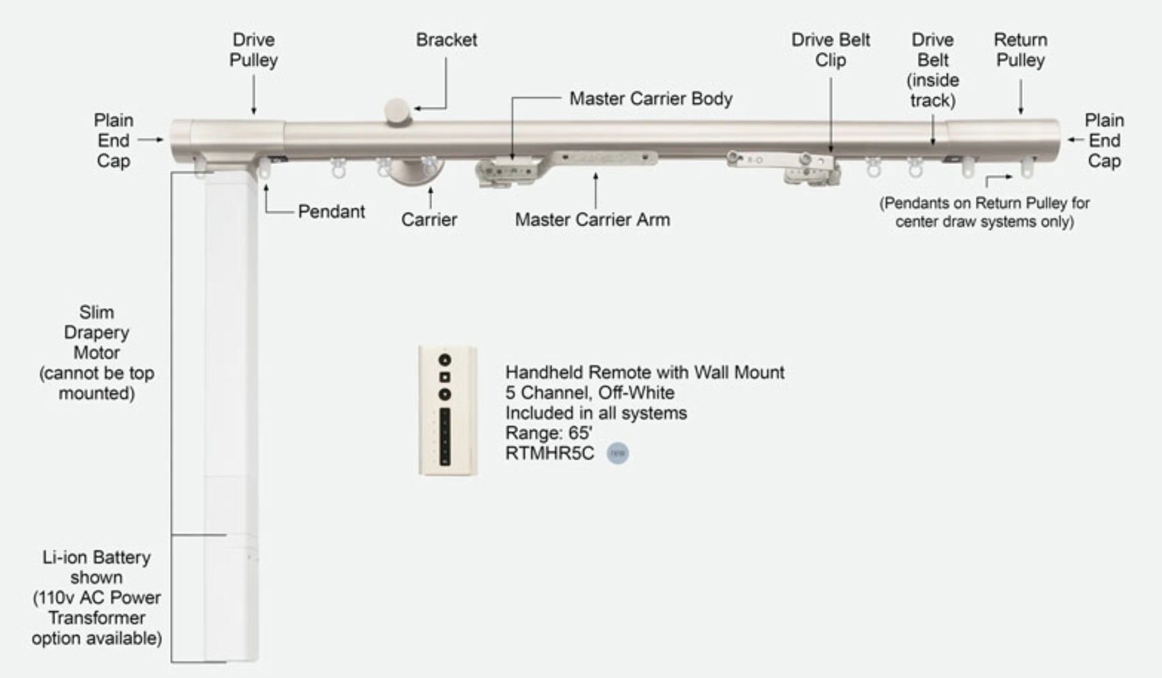 |  |  |  |  |  |  | Motor | RTMLDSS50 | Slim Drapery Motor, 1.2/20, 0.00 Arc, White
 |  |  |  |  |  |  |  |  |  | Li-ion Battery | RTMLDSSB | Li-ion Battery for Slim Motor, 0.00 1.2/20

 |  |  | Nota #1: Nancy to match master carrier distances to assembled drapery hardware.

 |  |  | Nota #2: Nancy to Charge Motor, Install Rod+Drapery, & Program Limits.

 |  |  | Nota #3: Justin Must Approve Product Shipment.

 |  |  | Nota #4: Photos & Video Required Prior to Shipment.

