Order Details
P.O. | 11367-A
Date | 2025-12-17 |  |  | Billing Address: | 700 SW 16th St., Ft. Lauderdale, FL 33315 USA
Customer | Justin Rouzaud (Sidemark: Kush) |  |  | Phone: | 786-340-0811
Shipping Address | 700 SW 16th St. |  |  | Vendor: | Di Calabria Industries
 | Fort Lauderdale, FL 33315
 | USA
 | 786-340-0811

Unit Price | Lining Price | Total Price | Product Title | Fabric SKU | Fabric Name | Rod Width | Length | Panel Selection | Lining | Mount | Control | Channel | Hardware | Carrier | Pin Set | Fullness | Side Returns | Window Name | Note #1
$102.00 | $0.00 | $102.00 | Pinch Pleat Drape | Alva-Crest-GEN-Shasta-Oyster | Earthen: Oyster | 135.125 | 140.25 | Pair: Two Equal Parts | Unlined | Ceiling Mount | Motorized: Left | (1, 5) | Alva - Motorized - Track - White | Pleated Carrier Master (With Snaps) | .5" | 200.00% | Left = 9" / Right = 3.5" | Dining Room L | Compare Drapery Side-by-Side
$134.00 | $0.00 | $134.00 | Pinch Pleat Drape | Alva-Crest-GEN-Shasta-Oyster | Earthen: Oyster | 186.125 | 140.25 | Pair: Two Equal Parts | Unlined | Ceiling Mount | Motorized: Right | (2, 5) | Alva - Motorized - Track - White | Pleated Carrier Master (With Snaps) | .5" | 200.00% | Left = 3.5" / Right = 9" | Dining Room R | Compare Drapery Side-by-Side
$197.00 | $0.00 | $197.00 | Pinch Pleat Drape | Alva-Crest-GEN-Shasta-Oyster | Earthen: Oyster | 241.75 | 140.25 | Pair: Two Equal Parts | Unlined | Ceiling Mount | Motorized: Right | (3, 5) | Alva - Motorized - Track - White | Pleated Carrier Master (With Snaps) | .5" | 200.00% | Left = 3.5" / Right = 9" | Living Room | Compare Drapery Side-by-Side

 |  |  |  |  |  |  |  |  |  |  |  |  | Incluimos (1) Remote Control: MT02-0101-067004 / Automate Push5 Handheld

$38.00 | $0.00 | $38.00 | Pinch Pleat Drape | Alva-Crest-GEN-Shasta-Oyster | Earthen: Oyster | 13 | 127.75 | Stationary Panel | Alva-Lining-Blackout-100%Cotton | Ceiling Mount | N/A | N/A | Basic Track - White | N/A | .5" | 200.00% | No Side Returns | Master Bedroom L
$38.00 | $0.00 | $38.00 | Pinch Pleat Drape | Alva-Crest-GEN-Shasta-Oyster | Earthen: Oyster | 13 | 127.75 | Stationary Panel | Alva-Lining-Blackout-100%Cotton | Ceiling Mount | N/A | N/A | Basic Track - White | N/A | .5" | 200.00% | No Side Returns | Master Bedroom R

Unit Price | Lining Price | Total Price | Motorized Track Fabrication | Drive Pulley, White | Automate® Slim Drapery Motor, 5V | Automate® Li-ion Battery | Wall Battery Charger, 5v | USB / Micro USB Charger Cable 157" | Push5 Handheld Remote with Wall Mount | Note #1 | Note #2 | Note #3
$245.75 | $0.00 | $245.75 | Dining Room L | 2 | 1 | 1 | 1 | 1 | 1 | Must charge battery prior to shipment | Splice Track in Center | Include Splice Cover (Somfy)
$314.46 | $0.00 | $314.46 | Dining Room R | 2 | 1 | 1 | 0 | 0 | 0 | Must charge battery prior to shipment | Splice Track in Center | Include Splice Cover (Somfy)
$368.81 | $0.00 | $368.81 | Living Room | 2 | 1 | 1 | 0 | 0 | 0 | Must charge battery prior to shipment | Splice Track in Center | Include Splice Cover (Somfy)
 |  |  | 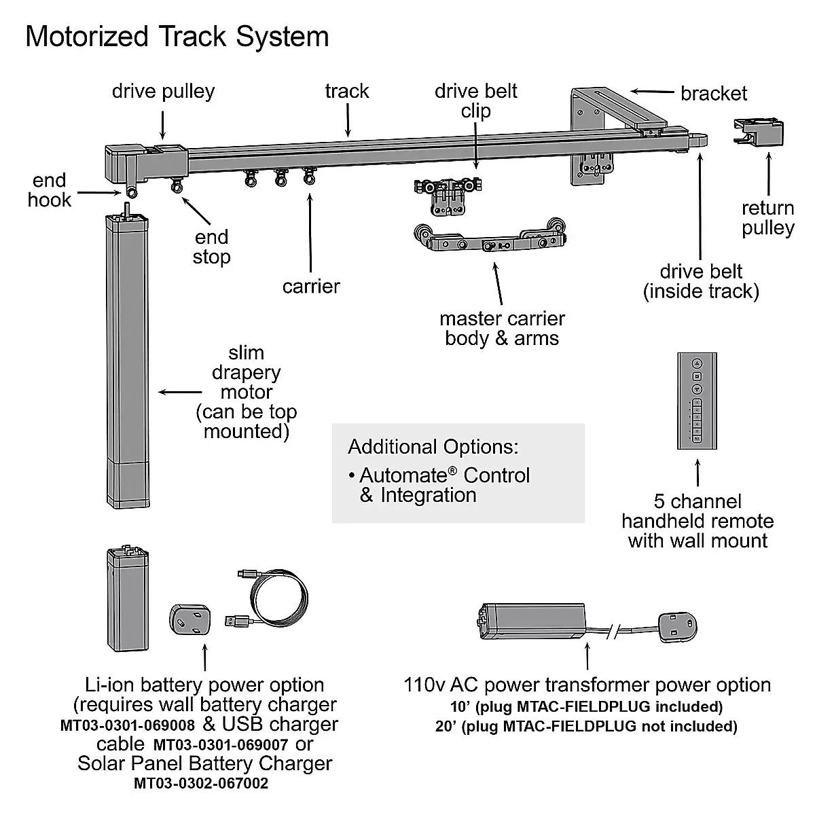

 |  |  |  |  |  | New Design Customer. Must inspect with (2) People.

