Order Details
P.O. | 11229-A
Date | 12/8/2025 |  |  | Billing Address: | 700 SW 16th St., Ft. Lauderdale, FL 33315 USA
Customer | Ariana Lovato |  |  | Phone: | 786-340-0811
Shipping Address | 132 West Branch Street |  |  | Vendor: | Di Calabria Industries
 | Arroyo Grande CA 93420
 | USA
 | 805-202-8269

Unit Price | Lining Price | Total Price | Product Title | Fabric SKU | Fabric Name | Rod Width | Length | Panel Selection | Lining | Mount | Hardware | Carrier | Fullness | Side Returns | Window Name | Note #1
$75.00 | $0.00 | $75.00 | Pinch Pleat Drape | Alva-Crest-GEN-Shasta-Linen | Earthen: Linen | 129.75 | 89 | Pair: Two Equal Parts | Alva-Lining-Blackout-100%Cotton | Wall Mount | 1 1/8" - Alva - H-Rail - Brushed Bronze | Pleated Carrier Master (With Snaps) | 200.00% | 8" Side Returns | Primary Slider (Front) | Make & Compare Side-by-Side.
$75.00 | $0.00 | $75.00 | Pinch Pleat Drape | Alva-Crest-GEN-Shasta-Linen | Earthen: Linen | 129.75 | 89 | Pair: Two Equal Parts | NO LINING | Wall Mount |  | Pleated Carrier Master (With Snaps) | 200.00% | 3.5" Side Returns | Primary Slider (Back) | Make & Compare Side-by-Side.

$56.00 | $0.00 | $56.00 | Drapery Hardware Kit | Product SKU | Product Description | Qty
 |  |  | Primary Slider | FMH28402/6/SN | 6 ft. - 1 1/8" H-Rail Double Rod Kit - Satin Nickel | 2 |  | 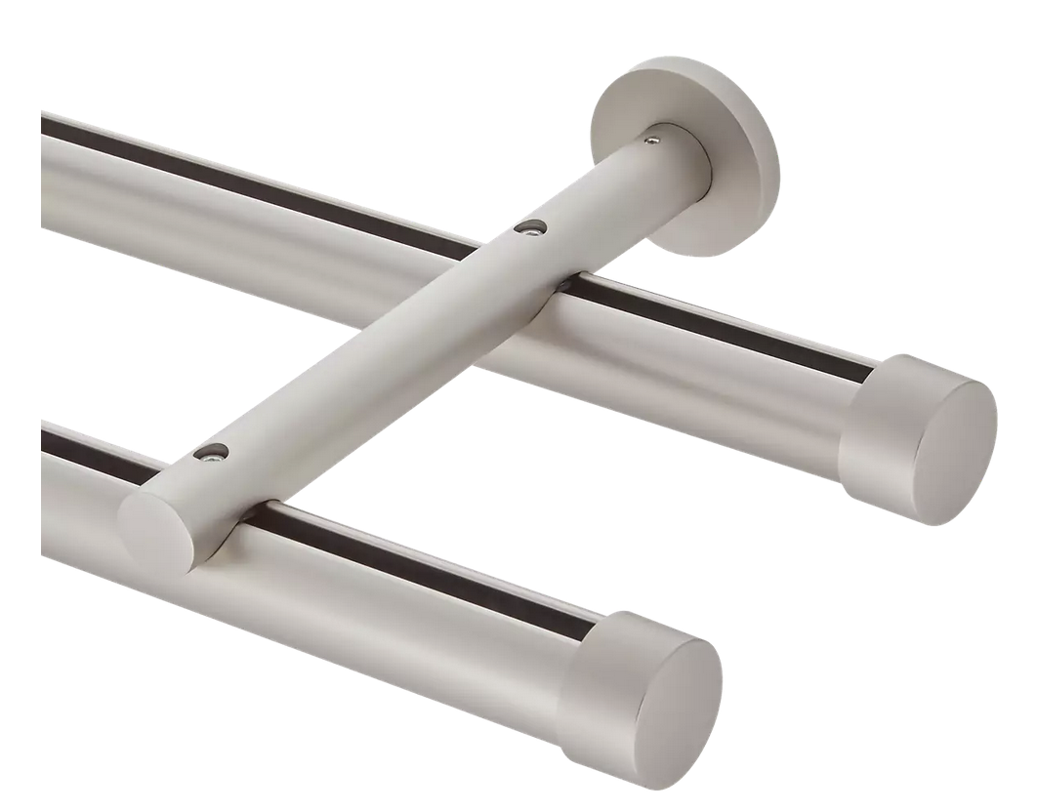 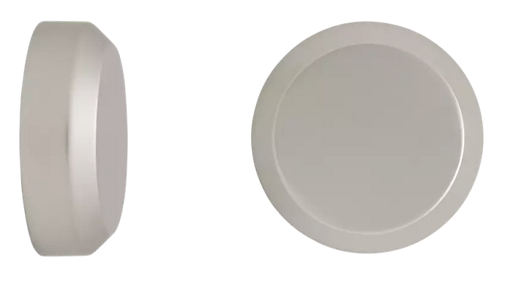
 |  |  |  |  | Cut Pole @ 64.875
 |  |  |  | FMH28402/SN | 1 1/8" H-Rail Double Wall Bracket - Satin Nickel | 6
 |  |  |  | FM605/SN | 1 1/8" - Beveled Disc - Satin Nickel | 4
 |  |  |  | FMH28407 | 1 1/8" H-Rail Connector | 2
 |  |  |  | FM312S/SN | 36" Metal Baton with Steel Clip - Satin Nickel | 4

 |  |  | New Design Customer. Must inspect with (2) People.

