Order Details
P.O. | 11253-B
Date | 2025-12-08 |  |  | Billing Address: | 700 SW 16th St., Ft. Lauderdale, FL 33315 USA
Customer | Thora Tam |  |  | Phone: | 786-340-0811
Shipping Address | 485 N. Whisman Road, (# 400) |  |  | Vendor: | Di Calabria Industries
 | Mountain View CA 94043
 | USA
 | 408-396-2129

Unit Price | Lining Price | Total Price | Product Title | Fabric SKU | Fabric Name | Rod Width | Length | Panel Selection | Lining | Mount | Hardware | Carrier | Fullness | Control | Side Returns | Window Name | Note #1
$62.50 | $0.00 | $62.50 | Pinch Pleat Drape | Alva-Crest-GEN-Shasta-Linen | Earthen: Linen | 81 | 100 | Pair: Two Equal Parts | Alva-Lining-Blackout-100%Cotton | Wall Mount | 1 1/8" - Alva - H-Rail - Brushed Bronze | Pleated Carrier Master (With Snaps) | 200.00% | 48" Baton - Acrylic (Clear) | 8" Side Returns | Primary Bedroom 3 (Front) | Make & Compare Side-by-Side.
$186.45 | $0.00 | $186.45 | Pinch Pleat Drape | BWS-Vertilux-Serenity-Bone | Serenity: Bone | 81 | 100 | Pair: Two Equal Parts | NO LINING | Wall Mount |  | Pleated Carrier Master (With Snaps) | 200.00% | 48" Baton - Acrylic (Clear) | 3.5" Side Returns | Primary Bedroom 3 (Rear) | Make & Compare Side-by-Side.

$362.45 | $0.00 | $362.45 | Ripple Fold Drape | BWS-Vertilux-Living-Sand | Living: Sand | 116 | 105 | Pair: Two Equal Parts | NO LINING | Wall Mount | 1 1/8" - Alva - H-Rail - Brushed Bronze | Buttmaster | 200.00% | 48" Baton - Acrylic (Clear) | 3.5" Side Returns | Living Room 1 - 3 (Arched)

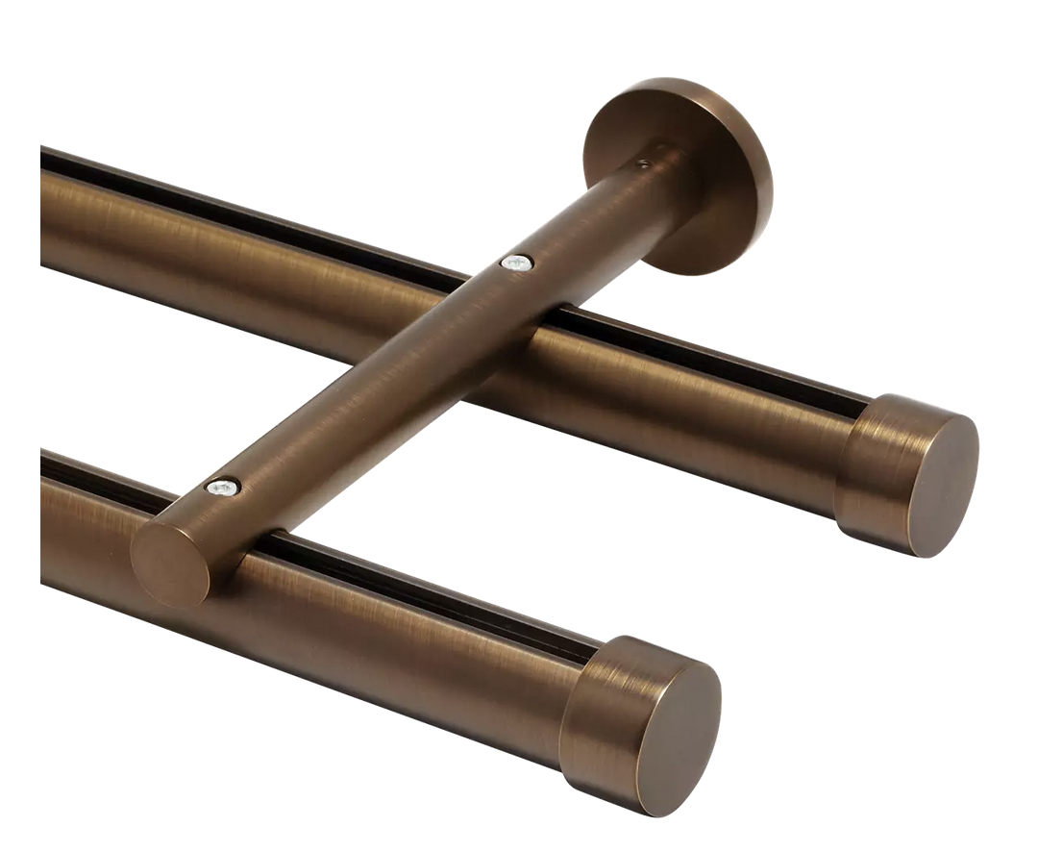
$56.00 | $0.00 | $56.00 | Drapery Hardware Kit | Product SKU | Product Description | Qty
 |  |  | Primary Bedroom 3 | FMH28402/8/BZ | 8 ft. - 1 1/8" H-Rail Double Rod Kit - Brushed Bronze | 2
 |  |  |  |  | Cut Pole @ 81"
 |  |  |  | FMH28402/BZ | 1 1/8" H-Rail Double Wall Bracket - Brushed Bronze | 4
 |  |  |  | FM606/BZ | 1 1/8" Stacked Cylinder - Brushed Bronze | 2
 |  |  |  | FM104/BZ | 1 1/8" - Plain End Cap - Brushed Bronze | 2

$34.00 | $0.00 | $34.00 | Drapery Hardware Kit | Product SKU | Product Description | Qty
 |  |  | Living Room 1 - 3 (Arched) | FMH28400/6/BZ | 6 ft. - 1 1/8" H-Rail SIngle Rod Kit - Brushed Bronze | 2
 |  |  |  |  | Cut Pole @ 58"
 |  |  |  | FMH28400/BZ | 1 1/8" H-Rail Wall Bracket - Brushed Bronze | 6
 |  |  |  | FM606/BZ | 1 1/8" Stacked Cylinder - Brushed Bronze | 2
 |  |  |  | FMH28407 | 1 1/8" H-Rail Connector | 1

 |  |  | New Design Customer. Must inspect with (2) People.

