Order Details
P.O. | 11260
Date | 12/5/2025 |  |  | Billing Address: | 700 SW 16th St., Ft. Lauderdale, FL 33315 USA
Customer | Brittany Inman |  |  | Phone: | 786-340-0811
Shipping Address | 63 Hawks Hill Road |  |  | Vendor: | Di Calabria Industries
 | New Canaan CT 06840
 | USA
 | 213-444-8839

Unit Price | Lining Price | Total Price | Product Title | Fabric SKU | Fabric Name | Width | Length | Lining | Mount | Control | Position | Window Name | Note #1 | Note #2
$150.00 | $0.00 | $150.00 | Relaxed Roman Shade | APFB-OYSTER-LIB-BL-020-M | Belgian Linen: Oyster | 39 | 62 | Alva-Lining-Privacy-100%Cotton | Outside (Add Side Returns) | Cordless | 1.5" Headrail | N/A | WIN #1 | Make & Compare Side-by-Side.
$150.00 | $0.00 | $150.00 | Relaxed Roman Shade | APFB-OYSTER-LIB-BL-020-M | Belgian Linen: Oyster | 39 | 62 | Alva-Lining-Privacy-100%Cotton | Outside (Add Side Returns) | Cordless | 1.5" Headrail | N/A | WIN #2 | Make & Compare Side-by-Side.
$150.00 | $0.00 | $150.00 | Relaxed Roman Shade | APFB-OYSTER-LIB-BL-020-M | Belgian Linen: Oyster | 39 | 62 | Alva-Lining-Privacy-100%Cotton | Outside (Add Side Returns) | Cordless | 1.5" Headrail | N/A | WIN #3 | Make & Compare Side-by-Side.

$143.00 | $0.00 | $143.00 | Flat Roman Shade | Alva-Mag-Mumabi01-Linenblend-Natural | Linen Blend: Natural | 43 | 50.5 | Alva-Lining-Blackout-100%Cotton | Outside (Add Side Returns) | Cordless | 1.5" Headrail | N/A | WIN #4 |  | Usamos Nuvevo Metodo: Con Barras atras - Handle Escondido - Sin Parches
$140.00 | $0.00 | $140.00 | Flat Roman Shade | Alva-Mag-Mumabi01-Linenblend-Natural | Linen Blend: Natural | 39 | 58 | Alva-Lining-Blackout-100%Cotton | Outside (Add Side Returns) | Cordless | 1.5" Headrail | N/A | WIN #5 | Make & Compare Side-by-Side. | Usamos Nuvevo Metodo: Con Barras atras - Handle Escondido - Sin Parches
$140.00 | $0.00 | $140.00 | Flat Roman Shade | Alva-Mag-Mumabi01-Linenblend-Natural | Linen Blend: Natural | 39 | 58 | Alva-Lining-Blackout-100%Cotton | Outside (Add Side Returns) | Cordless | 1.5" Headrail | N/A | WIN #6 | Make & Compare Side-by-Side. | Usamos Nuvevo Metodo: Con Barras atras - Handle Escondido - Sin Parches
 |  |  |  |  |  |  |  |  |  |  |  |  |  | 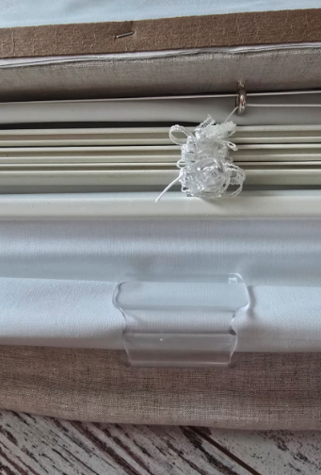
 |  |  | New Design Customer. Must inspect with (2) People.

