Order Details
P.O. | 11228-A
Date | 12/3/2025 |  |  | Billing Address: | 700 SW 16th St., Ft. Lauderdale, FL 33315 USA
Customer | Robin Chambers |  |  | Phone: | 786-340-0811
Shipping Address | 812 Auburn Drive, (#8) |  |  | Vendor: | Di Calabria Industries
 | Sikeston MO 63801
 | USA
 | 573-380-0069

Unit Price | Lining Price | Total Price | Product Title | Fabric SKU | Fabric Name | Width | Length | Lining | Mount | Control | Position | Window Name | Note #1
$125.50 | $0.00 | $125.50 | Flat Roman Shade | RF-Pap7-Sand | Saigon: Oatmeal | 28.25 | 66.125 | Alva-Lining-Blackout-100%Cotton | Inside | Cordless | 1.5" Headrail | N/A | Guest Bedroom (A) | Usamos Nuvevo Metodo: Con Barras atras - Handle Escondido - Sin Parches
$125.50 | $0.00 | $125.50 | Flat Roman Shade | RF-Pap7-Sand | Saigon: Oatmeal | 28.25 | 66.125 | Alva-Lining-Blackout-100%Cotton | Inside | Cordless | 1.5" Headrail | N/A | Guest Bedroom (B) | Usamos Nuvevo Metodo: Con Barras atras - Handle Escondido - Sin Parches
$125.50 | $0.00 | $125.50 | Flat Roman Shade | UNQ-Grandview-Fog | Coastline: Fog | 28.25 | 66.125 | Alva-Lining-Blackout-100%Cotton | Inside | Cordless | 1.5" Headrail | N/A | Master Bedroom (A) | Usamos Nuvevo Metodo: Con Barras atras - Handle Escondido - Sin Parches
$125.50 | $0.00 | $125.50 | Flat Roman Shade | UNQ-Grandview-Fog | Coastline: Fog | 28.25 | 66.125 | Alva-Lining-Blackout-100%Cotton | Inside | Cordless | 1.5" Headrail | N/A | Master Bedroom (B) | Usamos Nuvevo Metodo: Con Barras atras - Handle Escondido - Sin Parches
 |  |  |  |  |  |  |  |  |  |  |  |  | 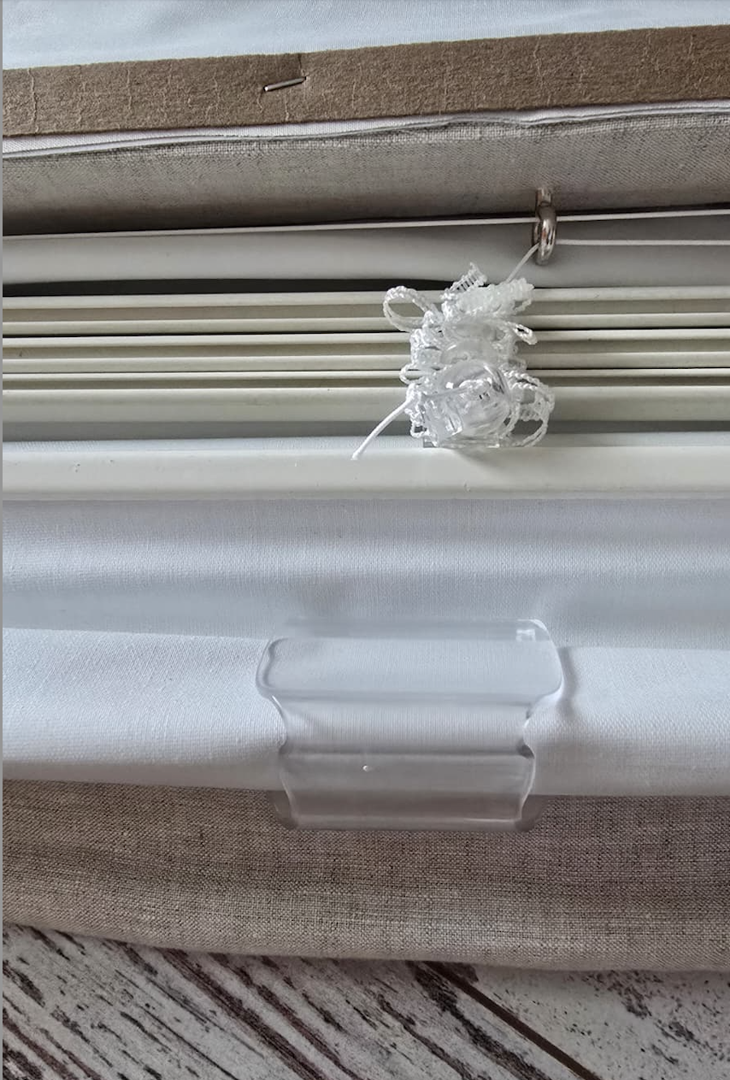
 |  |  | New Design Customer. Must inspect with (2) People.

