Order Details
P.O. | 10989-A
Date | 11/4/2025 |  |  | Billing Address: | 700 SW 16th St., Ft. Lauderdale, FL 33315 USA
Customer | Eskew - Friedman - Justin |  |  | Phone: | 786-340-0811
Shipping Address | 700 SW 16th St. |  |  | Vendor: | Di Calabria Industries
 | Fort Lauderdale, FL 33315
 | USA
 | 786-340-0811

Unit Price | Lining Price | Total Price | Product Title | Fabric SKU | Fabric Name | Rod Width | Length | Panel Selection | Lining | Mount | Control | Hardware | Carrier | Pin Set | Fullness | Side Returns | Window Name | Note #1
$137.58 | $0.00 | $137.58 | Ripple Fold Drape | BWS-Vertilux-Serenity-Sand | Serenity: Sand | 20 | 136.125 | Stationary Panel | Unlined | Wall Mount | N/A | Basic Track - White | N/A | 1.5" | 200.00% | No Side Returns | Family Room L/L
$137.58 | $0.00 | $137.58 | Ripple Fold Drape | BWS-Vertilux-Serenity-Sand | Serenity: Sand | 20 | 136.5 | Stationary Panel | Unlined | Wall Mount | N/A | Basic Track - White | N/A | 1.5" | 200.00% | No Side Returns | Family Room L/R
$137.58 | $0.00 | $137.58 | Ripple Fold Drape | BWS-Vertilux-Serenity-Sand | Serenity: Sand | 20 | 136.5 | Stationary Panel | Unlined | Wall Mount | N/A | Basic Track - White | N/A | 1.5" | 200.00% | No Side Returns | Living Room L/L
$137.58 | $0.00 | $137.58 | Ripple Fold Drape | BWS-Vertilux-Serenity-Sand | Serenity: Sand | 20 | 136.5 | Stationary Panel | Unlined | Wall Mount | N/A | Basic Track - White | N/A | 1.5" | 200.00% | No Side Returns | Living Room L/R

$53.58 | $0.00 | $53.58 | Ripple Fold Drape | APFB-OAT-LIB-BL-023-M | Belgian Linen: Oatmeal | 20 | 135.5 | Stationary Panel | Unlined | Wall Mount | N/A | Basic Track - White | N/A | 1.5" | 200.00% | No Side Returns | Dining Room L
$53.58 | $0.00 | $53.58 | Ripple Fold Drape | APFB-OAT-LIB-BL-023-M | Belgian Linen: Oatmeal | 20 | 135.75 | Stationary Panel | Unlined | Wall Mount | N/A | Basic Track - White | N/A | 1.5" | 200.00% | No Side Returns | Dining Room R
$53.58 | $0.00 | $53.58 | Ripple Fold Drape | APFB-OAT-LIB-BL-023-M | Belgian Linen: Oatmeal | 20 | 135.625 | Stationary Panel | Unlined | Wall Mount | N/A | Basic Track - White | N/A | 1.5" | 200.00% | No Side Returns | Living Room L
$53.58 | $0.00 | $53.58 | Ripple Fold Drape | APFB-OAT-LIB-BL-023-M | Belgian Linen: Oatmeal | 20 | 135.75 | Stationary Panel | Unlined | Wall Mount | N/A | Basic Track - White | N/A | 1.5" | 200.00% | No Side Returns | Living Room R

$53.58 | $0.00 | $53.58 | Ripple Fold Drape | COM-Alva | C.O.M. - Magitex - Delight - Oyster | 13 | 136.375 | Stationary Panel | Unlined | Wall Mount | N/A | Basic Track - White | N/A | 1.5" | 200.00% | No Side Returns | Master Bedroom L/L
$53.58 | $0.00 | $53.58 | Ripple Fold Drape | COM-Alva | C.O.M. - Magitex - Delight - Oyster | 14 | 136.5 | Stationary Panel | Unlined | Wall Mount | N/A | Basic Track - White | N/A | 1.5" | 200.00% | No Side Returns | Master Bedroom L/R
$53.58 | $0.00 | $53.58 | Ripple Fold Drape | COM-Alva | C.O.M. - Magitex - Delight - Oyster | 17 | 136.5 | Stationary Panel | Unlined | Wall Mount | N/A | Basic Track - White | N/A | 1.5" | 200.00% | No Side Returns | Master Bedroom M/L
$53.58 | $0.00 | $53.58 | Ripple Fold Drape | COM-Alva | C.O.M. - Magitex - Delight - Oyster | 17 | 135.875 | Stationary Panel | Unlined | Wall Mount | N/A | Basic Track - White | N/A | 1.5" | 200.00% | No Side Returns | Master Bedroom M/R
$53.58 | $0.00 | $53.58 | Ripple Fold Drape | COM-Alva | C.O.M. - Magitex - Delight - Oyster | 14 | 135.875 | Stationary Panel | Unlined | Wall Mount | N/A | Basic Track - White | N/A | 1.5" | 200.00% | No Side Returns | Master Bedroom R/L
$53.58 | $0.00 | $53.58 | Ripple Fold Drape | COM-Alva | C.O.M. - Magitex - Delight - Oyster | 13 | 136 | Stationary Panel | Unlined | Wall Mount | N/A | Basic Track - White | N/A | 1.5" | 200.00% | No Side Returns | Master Bedroom R/R

 |  |  |  | C.O.M. Fedex Tracking: | 394979157881
 |  |  |  | EST. Arrival to RDA: | TBD
 |  |  |  | C.O.M. - Magitex - Delight - Oyster | 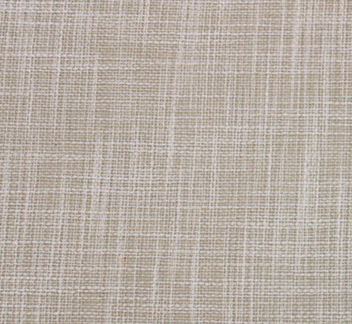

 |  |  | New Design Customer. Must inspect with (2) People.

