Order Details
P.O. | 11839-B
Date | 2026-02-26 |  |  | Billing Address: | 700 SW 16th St., Ft. Lauderdale, FL 33315 USA
Customer | Justin Rouzaud - Camilleri #2 |  |  | Phone: | 786-340-0811
Shipping Address | 700 SW 16th St. |  |  | Vendor: | Di Calabria Industries
 | Fort Lauderdale, FL 33315
 | USA
 | 786-340-0811

Unit Price | Lining Price | Total Price | Product Title | Fabric SKU | Fabric Name | Rod Width | Length | Panel Selection | Lining | Mount | Hardware | Carrier | Fullness | Control | Side Returns | Window Name | Note #1
$58.36 | $0.00 | $58.36 | Ripple Fold Drape | COM-Alva | C.O.M. Pindler / Carmen - 7106 / Gold / 52" W | 25 | 139.625 | Stationary Panel | NO LINING | Ceiling Mount | Basic Track - White | N/A | 200.00% | N/A | No Side Returns | 1st Floor: Great Room: Left
$76.15 | $0.00 | $76.15 | Ripple Fold Drape | COM-Alva | C.O.M. Pindler / Carmen - 7106 / Gold / 52" W | 48 | 139.5 | Stationary Panel | NO LINING | Ceiling Mount | Basic Track - White | N/A | 200.00% | N/A | No Side Returns | 1st Floor: Great Room: Middle
$58.36 | $0.00 | $58.36 | Ripple Fold Drape | COM-Alva | C.O.M. Pindler / Carmen - 7106 / Gold / 52" W | 25 | 139.375 | Stationary Panel | NO LINING | Ceiling Mount | Basic Track - White | N/A | 200.00% | N/A | No Side Returns | 1st Floor: Great Room: Right
$28.79 | $0.00 | $28.79 | Ripple Fold Drape | COM-Alva | C.O.M. Pindler / Carmen - 7106 / Gold / 52" W | 12 | 139.5 | Stationary Panel | NO LINING | Ceiling Mount | Basic Track - White | N/A | 200.00% | N/A | No Side Returns | 1st Floor: Kitchen: Left
$28.79 | $0.00 | $28.79 | Ripple Fold Drape | COM-Alva | C.O.M. Pindler / Carmen - 7106 / Gold / 52" W | 12 | 139.5 | Stationary Panel | NO LINING | Ceiling Mount | Basic Track - White | N/A | 200.00% | N/A | No Side Returns | 1st Floor: Kitchen: Right
 |  | $250.45
 |  |  | 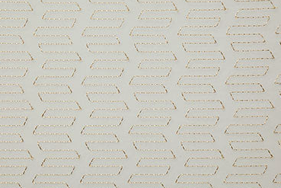 |  | Tracking: 1Z8961960343885626
 |  |  |  |  | EST. Arrival to RDA: Thursday, Oct. 9
 |  |  |  |  | QTY: 38 Yards

$58.36 | $0.00 | $58.36 | Ripple Fold Drape | COM-Alva | C.O.M. IFI - 6503219 - 01 / Linea / Sand / 126" W | 30 | 140 | Stationary Panel | NO LINING | Ceiling Mount | Basic Track - White | N/A | 200.00% | N/A | No Side Returns | 1st Floor: Master: Bedroom Large (L)
$58.36 | $0.00 | $58.36 | Ripple Fold Drape | COM-Alva | C.O.M. IFI - 6503219 - 01 / Linea / Sand / 126" W | 30 | 139.625 | Stationary Panel | NO LINING | Ceiling Mount | Basic Track - White | N/A | 200.00% | N/A | No Side Returns | 1st Floor: Master: Bedroom Large (R)
$28.79 | $0.00 | $28.79 | Ripple Fold Drape | COM-Alva | C.O.M. IFI - 6503219 - 01 / Linea / Sand / 126" W | 12 | 139.625 | Stationary Panel | NO LINING | Ceiling Mount | Basic Track - White | N/A | 200.00% | N/A | No Side Returns | 1st Floor: Master: Bedroom Small (L)
$28.79 | $0.00 | $28.79 | Ripple Fold Drape | COM-Alva | C.O.M. IFI - 6503219 - 01 / Linea / Sand / 126" W | 12 | 139.625 | Stationary Panel | NO LINING | Ceiling Mount | Basic Track - White | N/A | 200.00% | N/A | No Side Returns | 1st Floor: Master: Bedroom Small (R)
 |  | $174.30
 |  |  | 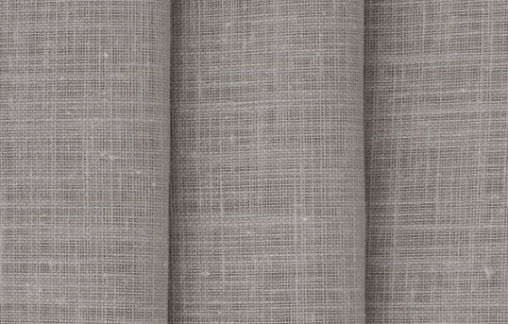 |  | Tracking: 884626667556
 |  |  |  |  | EST. Arrival to RDA: Friday, Sep. 26
 |  |  |  |  | QTY: 16

$49.58 | $0.00 | $49.58 | Ripple Fold Drape | COM-Alva | C.O.M. IFI - 6503237-01 / Linea / Ice / 126" W | 24 | 116.25 | Stationary Panel | NO LINING | Ceiling Mount | Basic Track - White | N/A | 200.00% | N/A | No Side Returns | 1st Floor: Mike: Office (L)
$49.58 | $0.00 | $49.58 | Ripple Fold Drape | COM-Alva | C.O.M. IFI - 6503237-01 / Linea / Ice / 126" W | 24 | 116.25 | Stationary Panel | NO LINING | Ceiling Mount | Basic Track - White | N/A | 200.00% | N/A | No Side Returns | 1st Floor: Mike: Office (R)
 |  | $99.16
 |  |  | 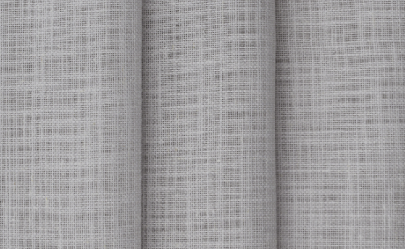 |  | Tracking: 884626667556
 |  |  |  |  | EST. Arrival to RDA: Friday, Sep. 26
 |  |  |  |  | QTY: 5

$54.36 | $0.00 | $54.36 | Ripple Fold Drape | COM-Alva | C.O.M. Pindler / Everwood - 5431 / Moonstone / 51" W | 36 | 115.5 | Stationary Panel | NO LINING | Ceiling Mount | Basic Track - White | N/A | 200.00% | N/A | No Side Returns | 1st Floor: Club Room: West (Left)
$54.36 | $0.00 | $54.36 | Ripple Fold Drape | COM-Alva | C.O.M. Pindler / Everwood - 5431 / Moonstone / 51" W | 36 | 115.5 | Stationary Panel | NO LINING | Ceiling Mount | Basic Track - White | N/A | 200.00% | N/A | No Side Returns | 1st Floor: Club Room: West (Right)
$54.36 | $0.00 | $54.36 | Ripple Fold Drape | COM-Alva | C.O.M. Pindler / Everwood - 5431 / Moonstone / 51" W | 36 | 115.5 | Stationary Panel | NO LINING | Ceiling Mount | Basic Track - White | N/A | 200.00% | N/A | No Side Returns | 1st Floor: Club Room: East (Left)
$54.36 | $0.00 | $54.36 | Ripple Fold Drape | COM-Alva | C.O.M. Pindler / Everwood - 5431 / Moonstone / 51" W | 36 | 115.5 | Stationary Panel | NO LINING | Ceiling Mount | Basic Track - White | N/A | 200.00% | N/A | No Side Returns | 1st Floor: Club Room: East (Right)
 |  | $217.44
 |  |  | 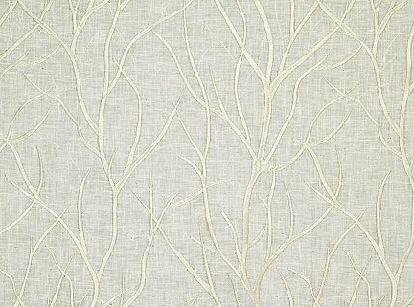 |  | Tracking:
 |  |  |  |  | EST. Arrival to RDA:
 |  |  |  |  | QTY: 32

$50.36 | $0.00 | $50.36 | Ripple Fold Drape | COM-Alva | C.O.M. Pindler / Brindisi - 4792 / Sandalwood / 57" W | 30 | 107.75 | Stationary Panel | NO LINING | Ceiling Mount | Basic Track - White | N/A | 200.00% | N/A | No Side Returns | 2nd Floor: Loft: Left
$50.36 | $0.00 | $50.36 | Ripple Fold Drape | COM-Alva | C.O.M. Pindler / Brindisi - 4792 / Sandalwood / 57" W | 30 | 107.875 | Stationary Panel | NO LINING | Ceiling Mount | Basic Track - White | N/A | 200.00% | N/A | No Side Returns | 2nd Floor: Loft: Right
 |  | $100.72
 |  |  | 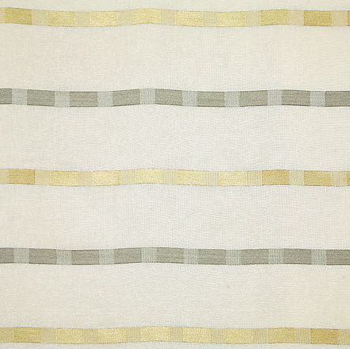 |  | Tracking: 1Z8961960343768333
 |  |  |  |  | EST. Arrival to RDA: Friday, Oct. 17th
 |  |  |  |  | QTY: 14

$45.58 | $0.00 | $45.58 | Ripple Fold Drape | COM-Alva | C.O.M. IFI 7706970-01 / Avellino / Off White / 126" W | 15 | 107.875 | Stationary Panel | NO LINING | Ceiling Mount | Basic Track - White | N/A | 200.00% | N/A | No Side Returns | 2nd Floor: VIP Guest: Bedroom Small (L)
$45.58 | $0.00 | $45.58 | Ripple Fold Drape | COM-Alva | C.O.M. IFI 7706970-01 / Avellino / Off White / 126" W | 15 | 107.75 | Stationary Panel | NO LINING | Ceiling Mount | Basic Track - White | N/A | 200.00% | N/A | No Side Returns | 2nd Floor: VIP Guest: Bedroom Small (R)
$45.58 | $0.00 | $45.58 | Ripple Fold Drape | COM-Alva | C.O.M. IFI 7706970-01 / Avellino / Off White / 126" W | 18 | 107.75 | Stationary Panel | NO LINING | Ceiling Mount | Basic Track - White | N/A | 200.00% | N/A | No Side Returns | 2nd Floor: VIP Guest: Bedroom Large (L)
$45.58 | $0.00 | $45.58 | Ripple Fold Drape | COM-Alva | C.O.M. IFI 7706970-01 / Avellino / Off White / 126" W | 18 | 107.875 | Stationary Panel | NO LINING | Ceiling Mount | Basic Track - White | N/A | 200.00% | N/A | No Side Returns | 2nd Floor: VIP Guest: Bedroom Large (R)
 |  | $182.32
 |  |  | 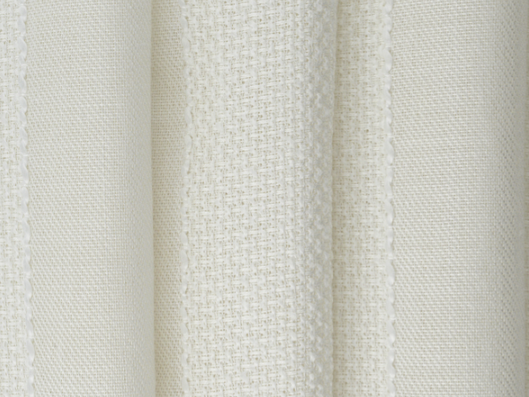 |  | Tracking: 884626667556
 |  |  |  |  | EST. Arrival to RDA: Friday, Sep. 26
 |  |  |  |  | QTY: 9.5

$24.79 | $0.00 | $24.79 | Ripple Fold Drape | COM-Alva | C.O.M. - Villa Nova - Busy Buzzy - V3325/01 - 54" W | 11 | 108.25 | Stationary Panel | NO LINING | Ceiling Mount | Basic Track - White | N/A | 200.00% | N/A | No Side Returns | 2nd Floor: Kyle's Panels: Bedroom Small (L): Front Panel
$24.79 | $0.00 | $24.79 | Ripple Fold Drape | COM-Alva | C.O.M. - Villa Nova - Busy Buzzy - V3325/01 - 54" W | 11 | 108.125 | Stationary Panel | NO LINING | Ceiling Mount | Basic Track - White | N/A | 200.00% | N/A | No Side Returns | 2nd Floor: Kyle's Panels: Bedroom Small (R): Front Panel
$45.58 | $0.00 | $45.58 | Ripple Fold Drape | COM-Alva | C.O.M. - Villa Nova - Busy Buzzy - V3325/01 - 54" W | 16 | 108.125 | Stationary Panel | NO LINING | Ceiling Mount | Basic Track - White | N/A | 200.00% | N/A | No Side Returns | 2nd Floor: Kyle's Panels: Bedroom Large (L): Front Panel
$45.58 | $0.00 | $45.58 | Ripple Fold Drape | COM-Alva | C.O.M. - Villa Nova - Busy Buzzy - V3325/01 - 54" W | 16 | 108.125 | Stationary Panel | NO LINING | Ceiling Mount | Basic Track - White | N/A | 200.00% | N/A | No Side Returns | 2nd Floor: Kyle's Panels: Bedroom Large (R): Front Panel
 |  | $140.74
 |  |  |  |  | Tracking: 453080011157
 |  |  |  |  | EST. Arrival to RDA: Thursday, Sep. 25
 |  |  |  |  | QTY: 13

$64.15 | $0.00 | $64.15 | Ripple Fold Drape | COM-Alva | C.O.M. - Villa Nova - Oops - A - Daisy - V3584/01 - 128" W | 43 | 108.25 | Single Panel: Left Stack | NO LINING | Ceiling Mount | Basic Track - White | Buttmaster | 200.00% | 48" Baton - Clear (Acrylic) | No Side Returns | 2nd Floor: Kyle's Working Sheers: Bedroom Small (L): Rear (Sheers) | DO NOT SPLICE Track
$64.15 | $0.00 | $64.15 | Ripple Fold Drape | COM-Alva | C.O.M. - Villa Nova - Oops - A - Daisy - V3584/01 - 128" W | 43 | 108.125 | Single Panel: Right Stack | NO LINING | Ceiling Mount | Basic Track - White | Buttmaster | 200.00% | 48" Baton - Clear (Acrylic) | No Side Returns | 2nd Floor: Kyle's Working Sheers: Bedroom Small (R): Rear (Sheers) | DO NOT SPLICE Track
$129.08 | $0.00 | $129.08 | Ripple Fold Drape | COM-Alva | C.O.M. - Villa Nova - Oops - A - Daisy - V3584/01 - 128" W | 98 | 108.125 | Pair: Two Equal Parts | NO LINING | Ceiling Mount | Basic Track - White | Buttmaster | 200.00% | 48" Baton - Clear (Acrylic) | No Side Returns | 2nd Floor: Kyle's Working Sheers: Bedroom Large (L): Rear (Sheers) | Splice Track in Center
 |  | $257.38
 |  |  |  |  | Tracking: 453080011157
 |  |  |  |  | EST. Arrival to RDA: Thursday, Sep. 25
 |  |  |  |  | QTY: 18

