Order Details
P.O. | 11821
Date | 2/24/2025 |  |  |  | Billing Address: | 700 SW 16th St., Ft. Lauderdale, FL 33315 USA
Customer | Justin Rouzaud |  |  |  | Phone: | 786-340-0811
Shipping Address | 700 SW 16th St. |  |  |  | Vendor: | Di Calabria Industries
 | Fort Lauderdale, FL 33315
 | USA

Phone | 786-340-0811

Unit Price | Lining Price | Total Price | Product Title | Fabric SKU | Fabric Name | Rod Width | Length | Panel Selection | Lining | Hardware | Mount | Motor | Side | Remote | Channel | Master Carrier | Side Returns | Window Name | Note #3
$79.72 | $0.00 | $79.72 | Euro Pleat Drapes | Alva-Crest-GEN-Shasta-Dove | Earthen: Dove | 29 | 35 | Single Panel: Stack on Left | No Lining | Motorized Track (INSM-9611798) | Wall | APMP-RTMLDKIT (Rollease Drapery Motor) | Left | APMP-RTMHR5C (Rollease: Push 5) | ( 1 ( | Buttmaster | 5" Return | Office Drape | Must charge Motor prior to shipment.

 |  |  | Hardware Kit |  |  |  |  |  |  | 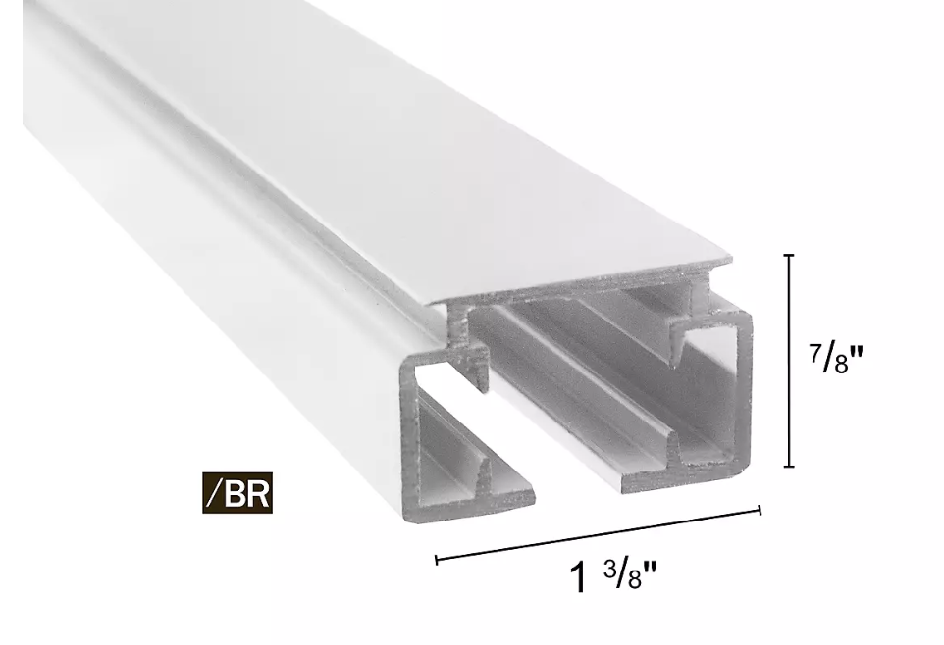
 |  |  | Slim Drapery Motor |  | MT01-2101-069002
 |  |  | Slim Drapery Motor Li-ion Battery |  | MT03-0305-069004
 |  |  | Wall Battery Charger, 5v, 2A |  | MT03-0301-069008
 |  |  | USB / Micro USB Charger Cable |  | MT03-0301-069007
 |  |  | Drive Pulley |  | RTMDSS50DP
 |  |  | Return Pulley |  | RTMDSS50RP

 |  |  | \

