Order Details
P.O. | 11617-B
Date | 2/4/2026 |  |  | Billing Address: | 700 SW 16th St., Ft. Lauderdale, FL 33315 USA
Customer | Justin Rouzaud |  |  | Phone: | 786-340-0811
Shipping Address | 700 SW 16th St. |  |  | Vendor: | Di Calabria Industries
 | Fort Lauderdale, FL 33315
 | USA
 | 786-340-0811

Unit Price | Lining Price | Total Price | Product Title | Fabric SKU | Fabric Name | Rod Width | Length | Panel Selection | Lining | Mount | Hardware | Carrier | Fullness | Control | Side Returns | Window Name | Note #1 | Note #2
$36.00 | $0.00 | $36.00 | Ripple Fold Drape | Alva-Mag-Mumabi01-Linenblend-Natural | Linen Blend: Natural | 30 | 35 | Single Panel: Right Stack | NO LINING | Wall Mount | 1 1/8" - Alva - H-Rail - Matte Black | Buttmaster | 200.00% | 36" Baton - Metal (Matte Black) | 3.5" Side Return | Galleria Office #1 | DO NOT SPLICE HARDWARE

$42.00 | $0.00 | $42.00 | Pinch Pleat Drape | APFB-OYSTER-LIB-BL-020-M | Belgian Linen: Oyster | 30 | 35 | Single Panel: Left Stack | Alva-Lining-Privacy-100%Cotton | Wall Mount | 1 1/8" - Alva - Decorative - Brushed Bronze | N/A | 200.00% | N/A | 3.5" Side Return | Galleria Office #2 | DO NOT SPLICE HARDWARE

$15.00 | $0.00 | $15.00 | Drapery Hardware Kit | Product SKU | Product Description | Qty
 |  |  | Galleria Office #1 | FMH28400/6/MK | 6 ft. - 1 1/8" H-Rail Single Rod Kit - Matte Black | 1 | 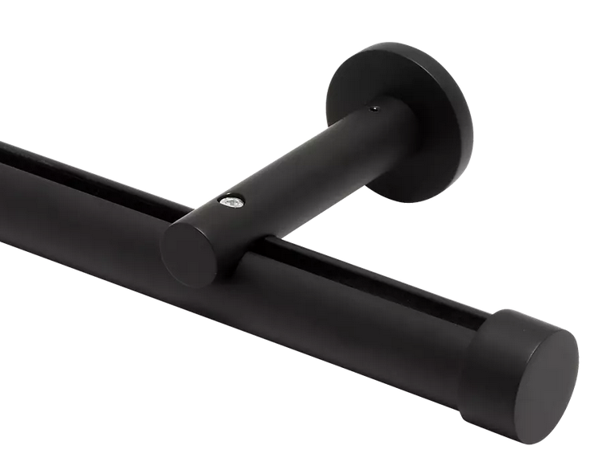
 |  |  |  |  | Cut Pole @ 30"
 |  |  |  | FMH28400/MK | 1 1/8" H-Rail Wall Bracket - Matte Black | 2
 |  |  |  | FM104/MK | 1 1/8" - Plain End Cap - Matte Black | 2

$15.00 | $0.00 | $15.00 | Drapery Hardware Kit | Product SKU | Product Description | Qty
 |  |  | Galleria Office #2 | FM286/BZ | 6 ft. - 1 1/8" Fixed Pole - Brushed Bronze | 1
 |  |  |  |  | Cut Pole @ 30"
 |  |  |  | FM400/BZ | 1 1/8" Turned Bracket - Brushed Bronze | 2
 |  |  |  | FM104/BZ | 1 1/8" - Pain End Cap - Satin Nickel | 2
 |  |  |  | FM200/BZ | 1 1/8" Ring with Eyelet - Brushed Bronze | 10

