Order Details
P.O. | 11617-A
Date | 2/4/2026 |  |  | Billing Address: | 700 SW 16th St., Ft. Lauderdale, FL 33315 USA
Customer | Justin Rouzaud |  |  | Phone: | 786-340-0811
Shipping Address | 700 SW 16th St. |  |  | Vendor: | Di Calabria Industries
 | Fort Lauderdale, FL 33315
 | USA
 | 786-340-0811

Unit Price | Lining Price | Total Price | Product Title | Fabric SKU | Fabric Name | Width | Length | Lining | Mount | Control | Channel | Remote | Position | Window Name | Note #1 | Note #2 | Note #3
$69.00 | $0.00 | $69.00 | Flat Roman Shade | Alva-Crest-GEN-Shasta-Powder | Earthen: Powder | 24 | 30 | Alva-Lining-Privacy-100%Cotton | Outside (Add Side Returns) | Cordless | 1.5" Headrail | N/A | N/A | N/A | Galleria Office #1
 |  |  | 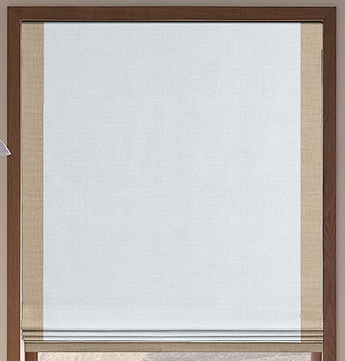
 |  |  |  | 2" Decorative Border (Sides + Bottom)
 |  |  |  | Alva-Crest-GEN-Shasta-Chambray | Earthen: Chambray

$69.00 | $0.00 | $69.00 | Cascade Roman Shade (Front Valance / Fabric on Rear) | APFB-OAT-LIB-BL-023-M | Belgian Linen: Oatmeal | 24 | 30 | Alva-Lining-Blackout-100%Cotton | Outside (Add Side Returns) | Continuous Loop: Antique Brown (Medieval Brass) | 2.5" Headrail | Right | N/A | Right | Galleria Office #2

$69.00 | $0.00 | $69.00 | Relaxed Roman Shade | Alva-Crest-HT-Cascade-Cream | Pathways: Cream | 24 | 30 | Alva-Lining-Privacy-100%Cotton | Inside | Cordless | 1.5" Headrail | N/A | N/A | N/A | Galleria Office #3

$69.00 | $0.00 | $69.00 | Flat Roman Shade | RF-Pap7-Sand | Saigon: Oatmeal | 24 | 30 | Alva-Lining-Privacy-100%Cotton | Outside (Add Side Returns) | Motorized: Somfy - Wirefree - R28 External Battery (#1241162) | 3" Headrail | ( 1, ( | SITUO 1 RTS PURE TRANSMITER #1870571 | N/A | Galleria Office #4 | Add 8" Pigtail to Motor Head. | Must charge Motor prior to shipment. | Install External Battery Pack

