CLIENTE
 |  |  |  | Fecha: | 2026-01-12 |  |  |  | DOCUMENTO # | 260112-W |  | REV.4.13 MAY1722

 |  |  |  |  |  | Calle: COTO TREVIANA, Numero: D101
Profesional Custom Interior & Exterior Window Treatments |  |  |  | PROYECTO |  | Frac: COLINAS DE CALIFORNIA, LA RIOJA - TIJUANA |  |  |  | TIPO DE PAGO |  | FACTURA
Roller Shades º Sheer Elegance º Draperies º |  |  |  |  |  | DIRECCION
f
Blvd. Popotla #11 Playas de Rosarito, B.C. |  |  |  | KIM & GUILLERMO TORRES |  |  |  |  |  | DENNYS FLORES
 | Baja Shades |  | 661 100 6377 | CONTACTO |  | INFORMACION DE CONTACTO |  |  |  | VENDEDOR
 |  |  |  |  |  |  |  |  | FASCIA
Item # | CANT. | PRODUCTO | TELA / COLOR | AREA | ANCHO | LARGO | TIPO CONTROL | LADO | CORNISA | PRECIO C/A |  | SUB TOTAL | FORMAT | PRICE EA.
1 | 1 | ENROLLABLE | LONG BEACH SAMBA | RECAMARA | 39.000 | 64.000 | C PLASTICO B | R | YES | $313.00 |  | $313.00 | VERDADERO | $313.00
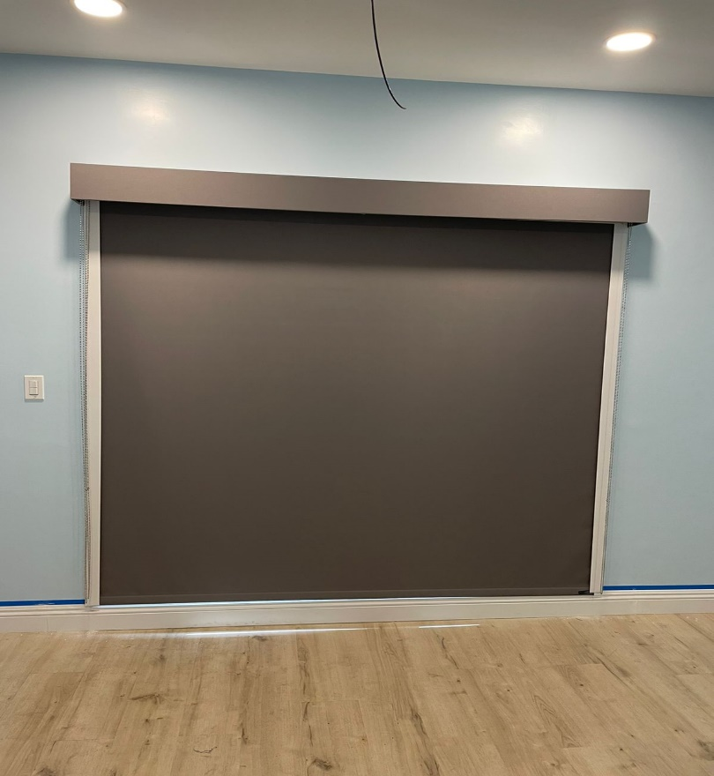
2 |  |  |  |  |  |  |  |  |  |  |  |  | VERDADERO | $-
3 |  |  |  |  |  |  |  |  |  |  |  |  | VERDADERO | $-
4 |  |  |  |  |  |  |  |  |  |  |  |  | VERDADERO | $-
5 |  |  |  |  |  |  |  |  |  |  |  |  | VERDADERO | $-
x |  |  |  |  |  |  |  |  |  |  |  |  | VERDADERO
 | 1 | SIDE CHANNEL Y SILL CHANNEL |  |  |  |  |  |  |  |  | $- | $- | VERDADERO | $-

INSTALACION INCLUIDA EN TODOS LOS PRODUCTOS |  |  |  |  |  |  |  |  |  |  | SUB TOTAL | $313.00 |  |  | SUB TOTAL | $313.00
50% del gran total es requerido para comenzar la produccion |  |  |  |  |  |  |  |  |  |  | DESCUENTO % | 40% |  |  | DESCUENTO % | 40%
Entrega de producto terminado puede variar dependiendo del inventario disponible |  |  |  |  |  |  |  |  |  |  | TOTAL DESC. | $125.20 |  |  | TOTAL DESC. | $187.80
En sistemas automatizados, la propiedad debe proveer las tomas electricas |  |  |  |  |  |  |  |  |  |  |  |  |  |  | TOTAL INC. DESC | $187.80
Para instalar, la propiedad debe de estar lista para instalacion o puede que existan cargos adicionales |  |  |  |  |  |  |  |  |  |  | TOTAL INC. DESC | $187.80 |  |  | SERVICIOS | $-
En integracion a sistemas inteligentes, un tecnico debe de evaluar las condiciones para asegurar un correcto funcionamiento |  |  |  |  |  |  |  |  |  |  |  |  |  |  | IVA 16% | $-
Currency | DOLLARS |  |  |  |  |  |  |  |  |  |  |  |  |  | DEPOSITO | $-
Expertos en: |  |  |  |  |  |  |  |  |  |  |  |  |  |  | GRAN TOTAL= | $187.80
 |  |  |  |  |  |  |  |  |  |  | GRAN TOTAL= | $187.80
 |  |  |  |  |  |  |  |  |  |  | US Dlls

ROLLER SHADES
SHEER ELEGANCE
DRAPERIES
SHEER VIEW
ROMAN SHADES
Exterior Systems
SMART
REMOTE SYSTEMS
 |  |  |  |  |  |  |  |  |  | Cotizado por: |  | DENNYS FLORES



ROLLER SHADES
ROMAN SHADES
DRAPERIES
SHEER VIEW
SHEER ELEGANCE

TERMINOS Y CONDICIONES PROMOCION BUEN FIN 2021
2 X 1 EN TODOS LOS ARTICULOS MANUALES, EL ARTICULO DE MENOR PRECIO ES EL QUE SERA GRATIS, PUEDEN SER PRODUCTOS MIXTOS (ENROLLABLES, SHEER ELEGANCE, CORTINAS Y ROMANAS)
EN LA COMPRA DE 3 ARTICULOS 1 ES GRATIS, EN LA COMPRA DE 4, 2 ARTICULOS GRATIS, EN LA COMPRA DE 5, 2 ARTICULOS GRATIS, EN LA COMPRA DE 6, 3 SON GRATIS.
EN LA COMPRA DE MOTORIZACION APLICA 30% DE DESCUENTO Y SERA PUESTO EN EL APARTADO SERVICIOS Y AUTOMATIZACION (NO APLICA EN MOTORES SOMFY)

SMART SYSTEMS

