Order Details
P.O. | 10313-C
Date | 1/12/2026 |  |  | Billing Address: | 700 SW 16th St., Ft. Lauderdale, FL 33315 USA
Customer | Alexandra Krieger |  |  | Phone: | 786-340-0811
Shipping Address | 8 Carey Ct |  |  | Vendor: | Di Calabria Industries
 | Montclair NJ 07042
 | USA
 | 703-927-7629

Unit Price | Lining Price | Total Price | Product Title | Fabric SKU | Fabric Name | Width | Length | Lining | Mount | Control | Position | Remote | Channel | Window Name | Note #1 | Note #2 | Note #3
$0.00 | $0.00 | $0.00 | Cascade Roman Shade | Alva-Crest-HT-Cascade-Cream | Pathways: Cream | 118.5 | 61 | Privacy | Outside (Add Side Returns) | Motorized: Somfy - Wirefree - 40 (#1240485) | 3" Headrail | Left | SITUO 1 RTS PURE TRANSMITER #1870571 / Remote #2 | ( 1 ( | Living Room | Sistema de Bandas con tela que cubre las barras. | Add 8" Pigtail to Motor Head. | Must charge Motor prior to shipment.
 |  |  |  |  |  |  |  |  |  |  |  |  |  |  | Sistema de Bandas con tela que cubre los barras.
 |  |  | Claim: El producto se hace falta lubricacion y esta haciendo un ruido feo. |  |  |  |  |  |  |  |  |  |  |  | 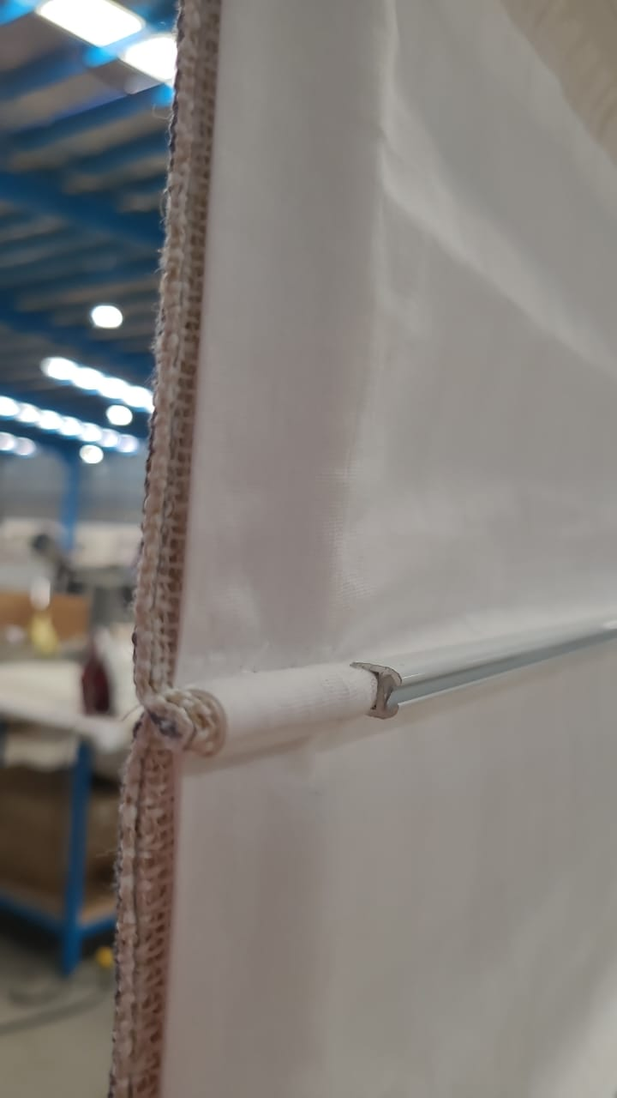
 |  |  | Resolucion: Mandamos el lubricacion para hacerlo en sitio.

