Order Details
P.O. | 11378
Date | 1/12/2026 |  |  | Billing Address: | 700 SW 16th St., Ft. Lauderdale, FL 33315 USA
Customer | Rebecca Robbins |  |  | Phone: | 786-340-0811
Shipping Address | 5623 Taft Ave |  |  | Vendor: | Di Calabria Industries
 | La Jolla CA 92037
 | USA
 | 858-699-4149

Unit Price | Lining Price | Total Price | Product Title | Fabric SKU | Fabric Name | Width | Length | Lining | Mount | Control | Position | Channel | Remote | Window Name | Note #1
$133.00 | $0.00 | $133.00 | Flat Roman Shade | COM-Alva | C.O.M. - Fabricut - Lovely Bloom Lily - 9194704 | 46 | 45.125 | Alva-Lining-Blackout-100%Cotton | Outside (Add Side Returns) | Continuous Loop: White (Plastic) | 2.5" Headrail | Right |  |  | Individual Window
$75.50 | $0.00 | $75.50 | Flat Roman Shade | COM-Alva | C.O.M. - Fabricut - Lovely Bloom Lily - 9194704 | 16.5 | 35.75 | Alva-Lining-Blackout-100%Cotton | Inside | Continuous Loop: White (Plastic) | 2.5" Headrail | Left |  |  | Bay Left Window | Make & Compare Side-by-Side.
$75.50 | $0.00 | $75.50 | Flat Roman Shade | COM-Alva | C.O.M. - Fabricut - Lovely Bloom Lily - 9194704 | 16.5 | 35.75 | Alva-Lining-Blackout-100%Cotton | Inside | Continuous Loop: White (Plastic) | 2.5" Headrail | Right |  |  | Bay Right Window | Make & Compare Side-by-Side.
$98.00 | $0.00 | $98.00 | Flat Roman Shade | COM-Alva | C.O.M. - Fabricut - Lovely Bloom Lily - 9194704 | 24.875 | 35.75 | Alva-Lining-Blackout-100%Cotton | Inside | Continuous Loop: White (Plastic) | 2.5" Headrail | Right |  |  | Bay Center Window | Make & Compare Side-by-Side.
 |  |  |  |  |  |  |  |  |  | 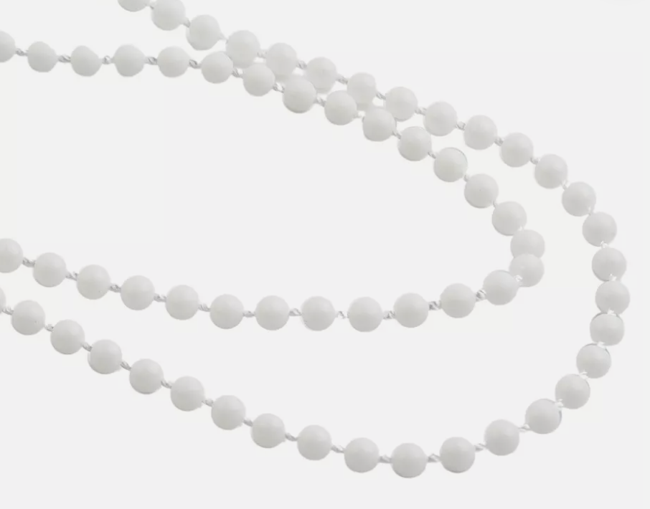
 |  |  | 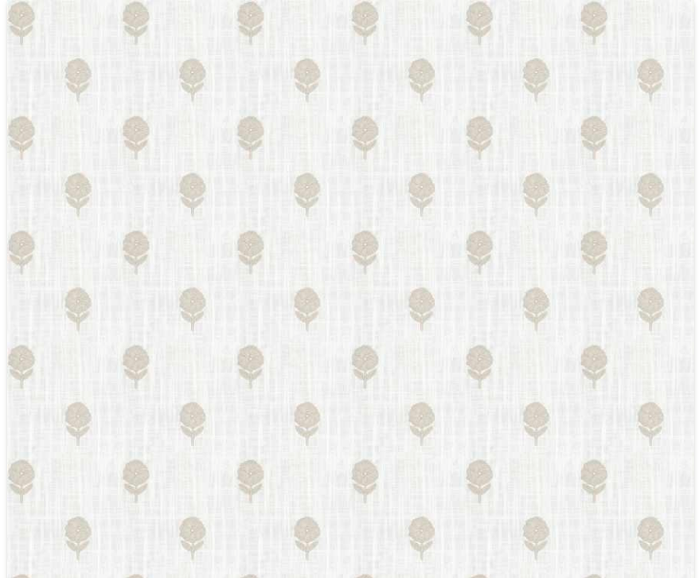 |  | Fabric Details: | https://fabricut.com/fabric/9194704/lovely-bloom/lily
 |  |  |  |  | UPS Tracking: | 1ZF2097H0333279917
 |  |  |  |  | EST. Arrival to RDA: | 2026-01-09
 |  |  |  |  | Yardas: | 7

