Order Details
P.O. | 11090-REM
Date | 1/12/2026 |  |  | Billing Address: | 700 SW 16th St., Ft. Lauderdale, FL 33315 USA
Customer | Stephanie Brownell - Nancy Deisinger |  |  | Phone: | 786-340-0811
Shipping Address | 3435 Camino Alegre |  |  | Vendor: | Di Calabria Industries
 | Carlsbad CA 92009
 | USA
 | 760-845-2641

Unit Price | Lining Price | Total Price | Product Title | Fabric SKU | Fabric Name | Width | Length | Lining | Mount | Control | Position | Window Name | Note #1
$74.50 | $0.00 | $74.50 | Cascade Roman Shade | Alva-Crest-GEN-Shasta-Oyster | Earthen: Oyster | 22.75 | 34.5 | Alva-Lining-Blackout-100%Cotton | Inside | Cordless | 1.5" Headrail | N/A | WIN #4 | Utilzamos los pleat distances el la foto.

$0.00 | $0.00 | $0.00 | Cascade Roman Shade | Alva-Crest-GEN-Shasta-Oyster | Earthen: Oyster | 94.75 | 58.5 | Alva-Lining-Privacy-100%Cotton | Inside | Continuous Loop: White (Metal) | 2.5" Headrail | Left | WIN #7

WIN #7 |  |  | Claim #1: La altura que hizimos fue incorrecto.

 |  |  | Solucion #1: Hacemos un remake.

WIN #4 |  |  | Nuevo Producto: Estamos haciendo un nuevo producto con BLACKOUT LINING y los pleat distances asi:
 |  |  |  | 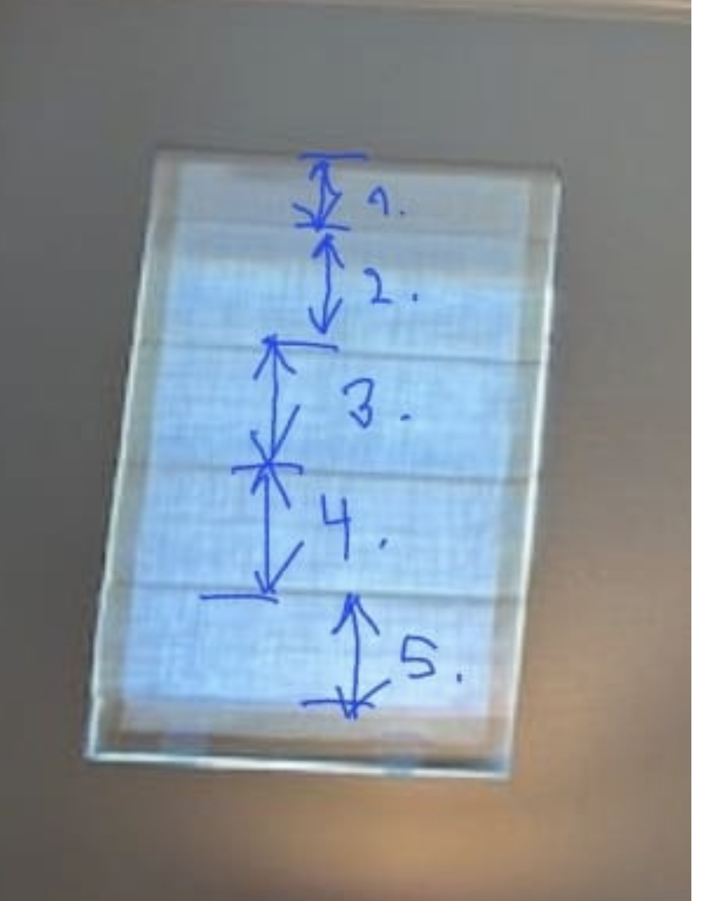 | 1. 4 3/4"
 |  |  |  |  | 2. 6 3/4"
 |  |  |  |  | 3. 6 1/2"
 |  |  |  |  | 4. 6 1/2"
 |  |  |  |  | 5. 6"

